Sheet1
SOCIAL MEDIA INFLUENCERS
ORDER FORM

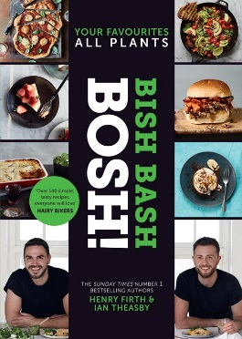
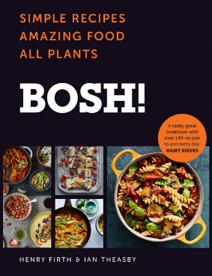
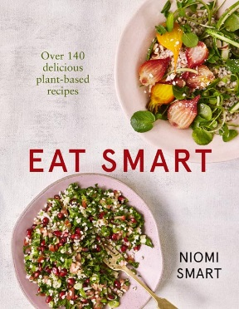
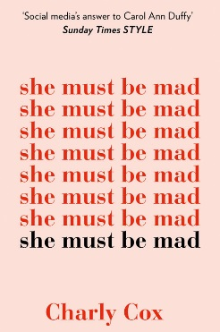




ISBN | TITLE | AUTHOR | FORMAT | DATE | PRICE
9780008359621 | UNLEARN: 101 Simple Truths for a Better Life | Humble the Poet | HB | 2019-10-17 | £14.99
9780008359652 | THINGS NO ONE ELSE CAN TEACH US | Humble the Poet | PLC | 2019-10-17 | £16.99
9780008372446 | HOW TO CLEAN YOUR HOUSE AT CHRISTMAS [not-US] | Lynsey, Queen of Clean | HB | 2019-10-31 | £12.99
9780008352950 | BOSH! HEALTHY VEGAN | Henry Firth and Ian Theasby | TPB | 2019-12-26 | £16.99
9780008327248 | CHALLENGE ACCEPTED!: 253 Steps to Becoming an Anti-It Girl | Celeste Barber | PB B | 2020-03-19 | £9.99
9780008339951 | RAVEN SMITH’S TRIVIAL PURSUITS [not-US, not-CA] | Raven Smith | HB | 2020-04-02 | £10.99
9780008339968 | RAVEN SMITH’S TRIVIAL PURSUITS [IE, Airside, Export-only, not-US, not-CA] | Raven Smith | TPB OM | 2020-04-02 | £10.99
9780008375522 | SKINCARE: The ultimate no-nonsense guide | Caroline Hirons | HB | 2020-04-30 | £20.00

ISBN | TITLE | AUTHOR | FORMAT | DATE | PRICE
9780008283650 | EAT WHAT YOU WATCH: A Cookbook for Movie Lovers | Andrew Rea | HB | Available | £14.99
9780007544790 | MY VIRGIN KITCHEN: Delicious recipes you can make every day | Barry Lewis | TPB | Available | £16.99
9780008291662 | SHE MUST BE MAD | Charly Cox | PB B | Available | £9.99
9780008348175 | VALIDATE ME | Charly Cox | PBO | Available | £9.99
9780008258078 | GOBI: A Little Dog with a Big Heart | Dion Leonard, Illustrated by Lisa Manuzak | PB | Available | £6.99
9780008239336 | THE DOCTOR’S KITCHEN: SUPERCHARGE YOUR HEALTH WITH 100 DELICIOUS EVERYDAY RECIPES [not-US] | Dr Rupy Aujla | HB | Available | £16.99
9780008327323 | HOW TO FAIL: Everything I’ve Ever Learned From Things Going Wrong | Elizabeth Day | HB | Available | £12.99
9780008327330 | HOW TO FAIL: Everything I’ve Ever Learned From Things Going Wrong [IE, Airside, Export-only] | Elizabeth Day | TPB OM | Available | £12.99
9780008349967 | BOSH! HOW TO LIVE VEGAN | Henry Firth and Ian Theasby | HB | Available | £8.99
9780008327057 | BISH BASH BOSH!: Your Favourites. All Plants. | Henry Firth and Ian Theasby | HB | Available | £20.00
9780008262907 | BOSH!: Simple Recipes. Amazing Food. All Plants. The most anticipated vegan cookbook of 2018 | Ian Theasby and Henry Firth | HB | Available | £20.00
9780008159412 | THEY LET ME WRITE A BOOK!: Jamie’s World | Jamie Curry | HB | Available | £9.99
9780008341947 | HOW TO CLEAN YOUR HOUSE | Lynsey, Queen of Clean | HB | Available | £12.99
9780008215033 | MILLY’S REAL FOOD: 100+ easy and delicious recipes to comfort, restore and put a smile on your face | Nicola Millbank | HB | Available | £20.00
9780008276485 | EAT SMART – OVER 140 DELICIOUS PLANT-BASED RECIPES [not-US, -CA] | Niomi Smart | TPB | Available | £14.99
9780008263102 | HEART AND HUSTLE: Use your passion. Build your brand. Achieve your dreams. | Patricia Bright | HB | Available | £18.99
9780008293871 | HAPPY FAT: Taking Up Space in a World That Wants to Shrink You | Sofie Hagen | TPB | Available | £12.99
9780008305550 | THE NEW FASHION RULES: Inthefrow | Victoria Magrath | HB | Available | £16.99

