Sheet1
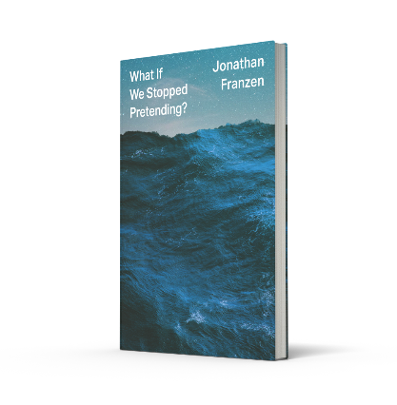
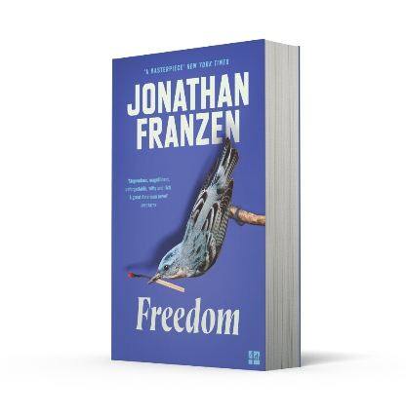
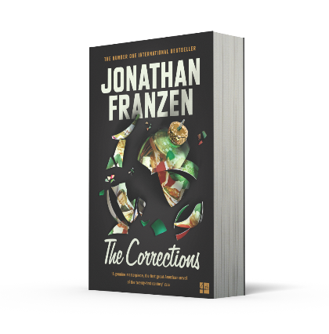




ISBN | TITLE | FORMAT | PRICE | AVAILABILITY | QTY
9780008308933 | CROSSROADS | PB B | £9.99 | Oct-22
9780008434045 | WHAT IF WE STOPPED PRETENDING? | HB | £6.99
9780007459537 | FARTHER AWAY | PB B | £9.99 | Out of Stock
9780007269761 | FREEDOM | PB B | £7.99
9780007153589 | HOW TO BE ALONE | PB B | £7.99 | Out of Stock
9780007532780 | PURITY | PB B | £9.99
9781841157498 | STRONG MOTION | PB B | £10.99
9780007232444 | THE CORRECTIONS | PB B | £7.99
9780007234257 | THE DISCOMFORT ZONE: A Personal History | PB B | £7.99
9780008299262 | THE END OF THE END OF THE EARTH | PB B | £9.99
9780007517442 | THE KRAUS PROJECT | PB B | £10.99 | Out of Stock
9781841157481 | THE TWENTY-SEVENTH CITY | PB B | £12.99

Customer Name:

Account Number:

