Sports
WORLD CUP ORDER FORM

Qatar November - December 2022

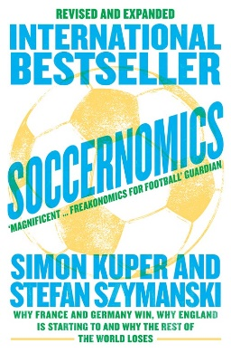
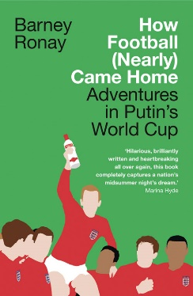
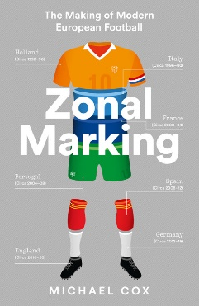
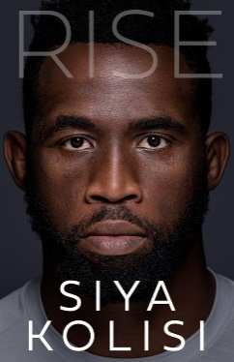
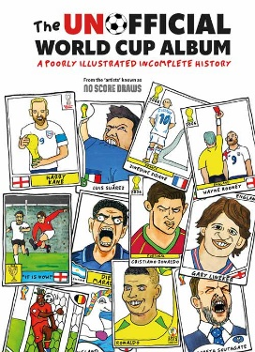



NON-FICTION
ISBN | TITLE | AUTHOR | PRICE | FORMAT | Availability | Qty
9780008559625 | SOCCERNOMICS: Why France and Germany Win, Why England Is Starting to and Why The Rest of the World Loses [New edition] | Simon Kuper and Stefan Szymanski | £12.99 | PB B | Oct-22
9780008552893 | THE GAME: A Life in Football from One of TV’s Most Popular Pundits [Airside, Export, IE-only, not-US] | Micah Richards | £16.99 | TPB OM | Oct-22
9780008531317 | BOLEYN BOY: My Autobiography | Mark Noble | £22.00 | HB | Nov-22
9781911682202 | REMARKABLE FOOTBALL GROUNDS | Ryan Herman | £25.00 | HB | Nov-22
9780008536220 | THE UNOFFICIAL WORLD CUP ALBUM: A Poorly Illustrated Incomplete History | No Score Draws | £10.99 | HB | Available
9780008495374 | PLAYMAKER: My Life and the Love of Football | Glenn Hoddle | £9.99 | PB B | Available
9780008489168 | RED ON RED: Liverpool, Manchester United and the fiercest rivalry in world football [Airside, Export, IE-only, not-US] | Phil McNulty and Jim White | £14.99 | TPB OM | Available
9780008466893 | BE GOOD, LOVE BRIAN: Growing up with Brian Clough | Craig Bromfield | £9.99 | PB B | Available
9780008443818 | BELIEVE US: The Inside Story of Jürgen Klopp’s Liverpool | Melissa Reddy | £9.99 | PB B | Available
9780008226398 | EDGE: Leadership Secrets from Footballs’s Top Thinkers | Ben Lyttleton | £9.99 | PB B | Available
9780008441968 | BELIEVE US: How Jürgen Klopp transformed Liverpool into title winners [Export, Airside, IE-only] | Melissa Reddy | £14.99 | TPB OM | Available
9780008291174 | ZONAL MARKING: The Making of Modern European Football [not-CA] | Michael Cox | £9.99 | PB B | Available
9780008215552 | THE MIXER: THE STORY OF PREMIER LEAGUE TACTICS, FROM ROUTE ONE TO FALSE NINES | Michael Cox | £10.99 | PB B | Available
9780008236649 | SOCCERNOMICS: Why England Lose, Why Germany, Spain and France Win, and Why One Day The Rest of the World will Finally Catch Up [New edition] | Simon Kuper and Stefan Szymanski | £9.99 | PB B | Available

CHILDREN'S
9781405298742 | WORLD OF FOOTBALL | Clive Gifford, Illustrated by Tracy Worrall | £10.99 | PB | Available
9781405299695 | THE ULTIMATE FOOTBALL PUZZLE BOOK | Egmont Publishing UK | £4.99 | PB B | Available
9780755502059 | 100% UNOFFICIAL FOOTBALL IDOLS: MBAPPE | Kevin Pettman | £7.99 | HB | Available
9780755502042 | 100% UNOFFICIAL FOOTBALL IDOLS: KANE | Kevin Pettman | £7.99 | HB | Available
9781405297011 | WHERE'S THE STRIKER? | Egmont Publishing UK | £9.99 | HB | Available

Name:
Account Number:
Address:
Order Ref:

