Sheet1


HCUK Award Winners

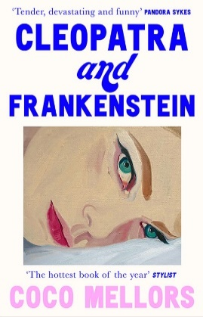
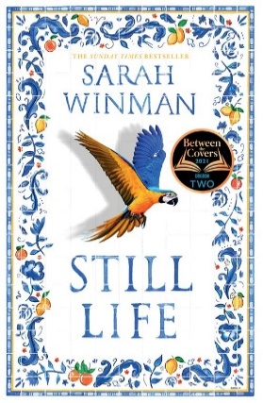
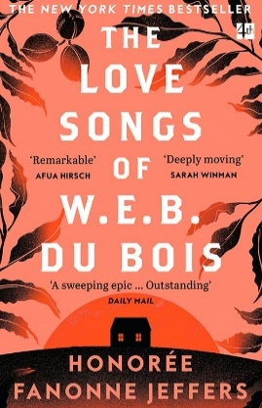
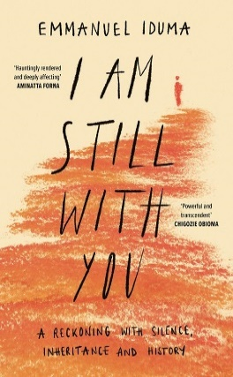
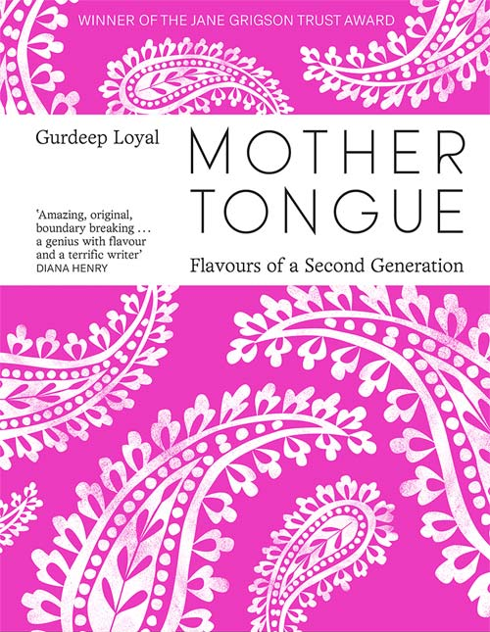
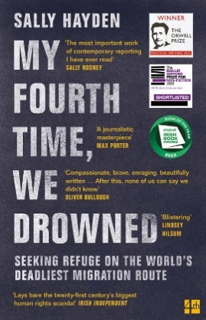
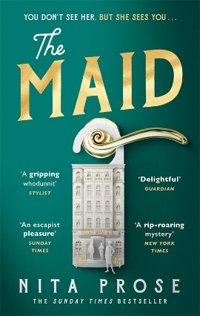
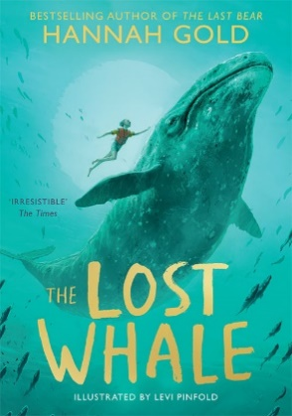

Prize Details | ISBN | Title | Author | Price | Format | Availability
FICTION
Longlisted for the Women's Prize for Fiction 2023 | 9780008528782 | WANDERING SOULS | Cecile Pin | £12.99 | TPB OM | In stock
Longlisted for the Women's Prize for Fiction 2023 | 9780008561420 | THE DOG OF THE NORTH | Elizabeth McKenzie | £12.99 | TPB OM | In stock
Second Selection for the Grand Prize for American Literature | 9780008421793 | CLEOPATRA AND FRANKENSTEIN | Coco Mellors | £9.99 | PB B | In stock
Winner of the 2022 Ned Kelly Award for Best International Crime Fiction | 9780008435769 | THE MAID | Nita Prose | £8.99 | PB B | In stock
Winner of the National Book Critics Circle Award for Fiction 2022 | 9780008516499 | THE LOVE SONGS OF W.E.B. DU BOIS | Honorée Fanonne Jeffers | £9.99 | PB B | In stock
The Women’s Prize ‘Winner Of Winners’ 2020 | 9780007200283 | HALF OF A YELLOW SUN | Chimamanda Ngozi Adichie | £7.99 | PB B | In stock
The Glass Bell Award 2019 | 9780008300678 | VOX | Christina Dalcher | £8.99 | PB B | In stock
The Victor Turner Prize 2018 – 3rd Place | 9780008228859 | THE INVISIBLE CROWD | Ellen Wiles | £9.99 | PB B | Out of Stock
Dymocks Book of the Year | 9780008283360 | STILL LIFE | Sarah Winman | £12.99 | TPB OM | In stock
NON-FICTION
Winner of the Jane Grigson Trust Award 2021 | 9780008464547 | MOTHER TONGUE | Gurdeep Loyal | £20.00 |  | In stock
Winner of the Orwell Prize 2022 Winner of Overall Irish Book of The Year at the Irish Book Awards 2022 Winner of Non-Fiction Book of the Year at the Irish Book Awards 2022 Winner of the Michel Deon Prize 2022 Winner of the International Award at the Irish Tatler Women of the Year Awards 2022 | 9780008445614 | MY FOURTH TIME, WE DROWNED: Seeking Refuge on the World’s Deadliest Migration Route | Sally Hayden | £9.99 | PB B | In stock
Winner of the Windham Campbell Prize 2022 | 9780008430733 | I AM STILL WITH YOU: A Reckoning with Silence, Inheritance and History | Emmanuel Iduma | £13.99 | TPB OM | In stock
Winner of the Sunday Times Young Writer of the Year 2022 | 9780008329808 | ISLANDS OF ABANDONMENT | Cal Flyn | £9.99 | PB B | In stock
Winner of the Best Political Book by a Non-Parliamentarian at the Parliamentary Book Awards 2022 | 9780008522025 | VALUE(S) | Mark Carney | £14.99 | TPB OM | In stock
Winner Of The Wainwright Prize 2018 | 9780008165703 | THE SEABIRD’S CRY: The Lives and Loves of Puffins, Gannets and Other Ocean Voyagers | Adam Nicolson, Illustrated by Kate Boxer | £10.99 | PB B | In stock
Winner Of The Rsl Ondaatje Prize 2019 | 9780007459629 | THE WIFE’S TALE: A Personal History | Aida Edemariam | £9.99 | PB B | In stock
Winner Of The Polari First Book Award 2020 | 9780008306106 | LIFE AS A UNICORN: A Journey from Shame to Pride and Everything in Between | Amrou Al-Kadhi | £9.99 | PB B | In stock
The 2020 Australian Prime Minister’S Literary Award For Non-Fiction | 9780008339050 | SEA PEOPLE: In Search of the Ancient Navigators of the Pacific | Christina Thompson | £10.99 | PB B | In stock
The 2019 Nsw Premier’S History Awards For General History | 9780008339050 | SEA PEOPLE: In Search of the Ancient Navigators of the Pacific | Christina Thompson | £10.99 | PB B | In stock
Winner Of The Baillie Gifford 2020 | 9780008340032 | ONE TWO THREE FOUR: THE BEATLES IN TIME | Craig Brown | £10.99 | PB B | In stock
Winner Of The James Tait Black Prize For Biography 2018 Winner of the South Bank Sky Arts Award 2018 | 9780008203634 | MA’AM DARLING: 99 Glimpses of Princess Margaret | Craig Brown | £9.99 | PB B | In stock
Winner Of The Highland Book Prize 2019 | 9780008225148 | THE FRAYED ATLANTIC EDGE: A Historian’s Journey from Shetland to the Channel | David Gange | £10.99 | PB B | In stock
Winner Of The Pen Hessell-Tiltman Prize 2019 | 9780008146245 | THE CATALOGUE OF SHIPWRECKED BOOKS: Young Columbus and the Quest for a Universal Library | Edward Wilson-Lee | £10.99 | PB B | Out of Stock
PETA Awards 2018 | 9780008262907 | BOSH! | Henry Firth and Ian Theasby | £20.00 | HB | In stock
Winner Of The Cundill Prize 2018 | 9780007553723 | THE DAWN WATCH: Joseph Conrad in a Global World | Maya Jasanoff | £10.99 | PB B | Out of Stock
Saltire Society Scottish Non Fiction Book Of The Year Award 2019 | 9780008291464 | THE WORLD I FELL OUT OF | Melanie Reid, Foreword by Andrew Marr | £9.99 | PB B | In stock
Winner Of The Fortnum And Mason Best Food Book 2018 | 9780008260194 | THE CHRISTMAS CHRONICLES: Notes, stories & 100 essential recipes for midwinter | Nigel Slater | £28.00 | HB | In stock
Winner Of The Orwell Prize For Political Writing 2019 | 9780008159269 | SAY NOTHING: A True Story Of Murder and Memory In Northern Ireland | Patrick Radden Keefe | £10.99 | PB B | In stock
Winner Of The Folio Prize 2020 | 9780008290054 | LOST CHILDREN ARCHIVE | Valeria Luiselli | £9.99 | PB B | In stock
CHILDREN'S
Winner of the Waterstones Children's Book Prize Winner of the Blue Peter Award | 9780008412968 | THE LOST WHALE | Hannah Gold, Illustrated by Levi Pinfold | £7.99 | PB B | In stock
Wh Smith Children’S Book Of The Year 2018 | 9780008200565 | HEAD KID | David Baddiel, Illustrated by Steven Lenton | £6.99 | PB B | In stock
Best Book Of The Year – Books.Com.Tw (Taiwanese Retailer) 2018 Best Audio Performer of the Year 2018 | 9780008266165 | HERE WE ARE: Notes for Living on Planet Earth | Oliver Jeffers, Illustrated by Oliver Jeffers | £14.99 | HB | In stock
Sainsbury's Book of the Year 2020 | 9780008419110 | DRAW WITH ROB | Rob Biddulph | £7.99 | PBO | In stock
2020 Yoto Carnegie Award | 9780008422141 | PUNCHING THE AIR | Ibi Zoboi and Yusef Salaam | £8.99 | PBO | In stock
FARSHORE (formerly EGMONT)
Young People's Book Prize 2022 | 9781405298070 | IF THE WORLD WERE 100 PEOPLE | Jackie McCann, Illustrated by Aaron Cushley | £7.99 | PBO | In stock
Spark! Book Awards | 9781405296991 | LLAMA OUT LOUD! | Annabelle Sami, Illustrated by Allen Fatimaharan | £6.99 | PB | In stock
Made for Mums Awards 2021 | 9781405296991 | LLAMA OUT LOUD! | Annabelle Sami, Illustrated by Allen Fatimaharan | £6.99 | PB | In stock
UKLA Children's Book Award Carnegie Medal | 9781405291460 | THE POET X – WINNER OF THE CILIP CARNEGIE MEDAL 2019 | Elizabeth Acevedo | £8.99 | PB | In stock
NE Teen Book Award Hounslow Teen Read British Book Awards (The Nibbies) Bucks Book Award 2020 Highgate Wood School Award Oxfordshire Book Awards Amazing Book Awards GDST book award for 2020/21 | 9781405293181 | A Good Girl’s Guide to Murder (1) — A GOOD GIRL'S GUIDE TO MURDER | Holly Jackson | £7.99 | PB | In stock
Channel Islands Children's Book Award West Sussex Story Book Award 2021 Stockport Children's Book Award | 9781405298889 | THE BEAST AND THE BETHANY | Jack Meggitt-Phillips, Illustrated by Isabelle Follath | £7.99 | PB | In stock
West Sussex Schools Library Service Award | 9781405293679 | The Land of Roar series (1) — THE LAND OF ROAR | Jenny McLachlan, Illustrated by Ben Mantle | £7.99 | PB | In stock
Made for Mums (Gold) | 9781405287043 | Taylor and Rose Secret Agents — PERIL IN PARIS | Katherine Woodfine, Illustrated by Karl James Mountford | £7.99 | PB | In stock
Lewisham Book Award - Early Chapter Books | 9781405287524 | Sam Wu is Not Afraid — SAM WU IS NOT AFRAID OF SHARKS! | Katie Tsang and Kevin Tsang, Illustrated by Nathan Reed | £6.99 | PB | In stock
Made for Mums (Silver) | 9781405286725 | The Amelia Fang Series — AMELIA FANG AND THE BARBARIC BALL | Laura Ellen Anderson | £6.99 | PB | In stock
Girls' Day School Trust (GDST) Book Award 2017/18 | 9781405275392 | PAPER BUTTERFLIES | Lisa Heathfield | £8.99 | PB | In stock
Concorde Book Award 2019 | 9781405275392 | PAPER BUTTERFLIES | Lisa Heathfield | £8.99 | PB | In stock
Wandsworth Fabulous Book Awards | 9781405293860 | I AM NOT A NUMBER | Lisa Heathfield | £8.99 | PB | In stock
ICMA | 9781405284875 | A WALK THROUGH THE WOODS | Louise Greig, Illustrated by Helen Musselwhite | £12.99 | HB | In stock
Independent Bookseller's Children's Book of the Month: Jan-March | 9781405287814 | THE BEAR WHO DID | Louise Greig, Illustrated by Laura Hughes | £6.99 | PB | Out of Stock
Made for Mums (Bronze) | 9781405293402 | IN THE MOUTH OF THE WOLF | Michael Morpurgo, Illustrated by Barroux | £6.99 | PB | In stock
St Helens Schools Library Service Book Awards: BASH Britstol Teen Book Award | 9781405286152 | I HAVE NO SECRETS | Penny Joelson | £8.99 | PB | In stock
North East Book Award Trinity Schools Book Award (TSBA) Bolton Children's Fiction Award | 9781405286152 | I HAVE NO SECRETS | Penny Joelson | £8.99 | PB | In stock
Lambeth Phoenix Book Award | 9781405286169 | GIRL IN THE WINDOW | Penny Joelson | £7.99 | PB | In stock
Creative Play Awards | 9781405295659 | FASHION CONSCIOUS | Sarah Klymkiw, Illustrated by Kim Hankinson | £7.99 | PB | In stock
Hampshire Picture Book Award 2021 | 9781405295666 | ELEPHANT IN MY KITCHEN!: A critically acclaimed, humorous introduction to climate change and protecting our natural world | Smriti Halls, Illustrated by Ella Okstad | £6.99 | PB | In stock
Sheffield Children's Book Award 2021 | 9781405295666 | ELEPHANT IN MY KITCHEN!: A critically acclaimed, humorous introduction to climate change and protecting our natural world | Smriti Halls, Illustrated by Ella Okstad | £6.99 | PB | In stock
Winner of the Inaugural Comedy Women in Print Prize 2019 | 9781405288446 | Izzy O’Neill — THE EXACT OPPOSITE OF OKAY | Laura Steven | £7.99 | PB B | In stock

Customer Name

Order Ref :

Sheet1 (2)
HCUK Award Winners

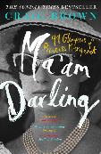

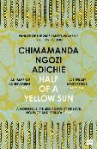
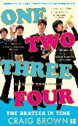
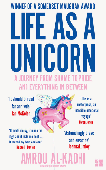
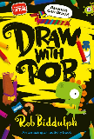
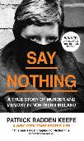

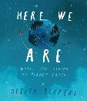

Prize Details | ISBN | Title | Author | Price | Format | Availability
FICTION
Dymocks Book of the Year | 9780008283360 | STILL LIFE | Sarah Winman | £12.99 | TPB OM | In stock
The Women’s Prize ‘Winner Of Winners’ 2020 | 9780007200283 | HALF OF A YELLOW SUN | Chimamanda Ngozi Adichie | £7.99 | PB B | In stock
The Glass Bell Award 2019 | 9780008300678 | VOX | Christina Dalcher | £8.99 | PB B | In stock
The Victor Turner Prize 2018 – 3rd Place | 9780008228859 | THE INVISIBLE CROWD | Ellen Wiles | £9.99 | PB B | In stock
NON-FICTION
Winner Of The Baillie Gifford 2020 | 9780008340032 | ONE TWO THREE FOUR: THE BEATLES IN TIME | Craig Brown | £9.99 | PB B | In stock
Winner Of The Folio Prize 2020 | 9780008290054 | LOST CHILDREN ARCHIVE | Valeria Luiselli | £8.99 | PB B | In stock
Winner Of The Polari First Book Award 2020 | 9780008306106 | LIFE AS A UNICORN: A Journey from Shame to Pride and Everything in Between | Amrou Al-Kadhi | £9.99 | PB B | In stock
The 2020 Australian Prime Minister’S Literary Award For Non-Fiction | 9780008339050 | SEA PEOPLE: In Search of the Ancient Navigators of the Pacific | Christina Thompson | £9.99 | PB B | In stock
Saltire Society Scottish Non Fiction Book Of The Year Award 2019 | 9780008291464 | THE WORLD I FELL OUT OF | Melanie Reid, Foreword by Andrew Marr | £9.99 | PB B | In stock
Winner Of The Rsl Ondaatje Prize 2019 | 9780007459629 | THE WIFE’S TALE: A Personal History | Aida Edemariam | £9.99 | PB B | In stock
The 2019 Nsw Premier’S History Awards For General History | 9780008339050 | SEA PEOPLE: In Search of the Ancient Navigators of the Pacific | Christina Thompson | £9.99 | PB B | In stock
Winner Of The Pen Hessell-Tiltman Prize 2019 | 9780008146245 | THE CATALOGUE OF SHIPWRECKED BOOKS: Young Columbus and the Quest for a Universal Library | Edward Wilson-Lee | £9.99 | PB B | In stock
Winner Of The Highland Book Prize 2019 | 9780008225148 | THE FRAYED ATLANTIC EDGE: A Historian’s Journey from Shetland to the Channel | David Gange | £9.99 | PB B | In stock
Winner Of The Orwell Prize For Political Writing 2019 | 9780008159269 | SAY NOTHING: A True Story Of Murder and Memory In Northern Ireland | Patrick Radden Keefe | £9.99 | PB B | In stock
PETA Awards 2018 | 9780008262907 | BOSH! | Henry Firth and Ian Theasby | £20.00 | HB | In stock
Winner Of The James Tait Black Prize For Biography 2018 Winner of the South Bank Sky Arts Award 2018 | 9780008203634 | MA’AM DARLING: 99 Glimpses of Princess Margaret | Craig Brown | £9.99 | PB B | In stock
Winner Of The Fortnum And Mason Best Food Book 2018 | 9780008260194 | THE CHRISTMAS CHRONICLES: Notes, stories & 100 essential recipes for midwinter | Nigel Slater | £26.00 | HB | In stock
Winner Of The Wainwright Prize 2018 | 9780008165703 | THE SEABIRD’S CRY: The Lives and Loves of Puffins, Gannets and Other Ocean Voyagers | Adam Nicolson, Illustrated by Kate Boxer | £9.99 | PB B | In stock
Winner Of The Cundill Prize 2018 | 9780007553723 | THE DAWN WATCH: Joseph Conrad in a Global World | Maya Jasanoff | £9.99 | PB B | In stock
CHILDREN'S
Sainsbury's Book of the Year 2020 2020 | 9780008419110 | DRAW WITH ROB | Rob Biddulph | £6.99 | PBO | In stock
Wh Smith Children’S Book Of The Year 2018 | 9780008200565 | HEAD KID | David Baddiel, Illustrated by Steven Lenton | £6.99 | PB B | In stock
Best Book Of The Year – Books.Com.Tw (Taiwanese Retailer) 2018 Best Audio Performer of the Year 2018 | 9780008266165 | HERE WE ARE: Notes for Living on Planet Earth | Oliver Jeffers, Illustrated by Oliver Jeffers | £14.99 | HB | In stock
FARSHORE (formerly EGMONT)
 | ISBN | Title | Author | Price | Format | Stock
UKLA Children's Book Award | 9781405291460 | THE POET X – WINNER OF THE CILIP CARNEGIE MEDAL 2019 | Elizabeth Acevedo | £8.99 | PB | In stock
Girls' Day School Trust (GDST) Book Award 2017/18 | 9781405275392 | PAPER BUTTERFLIES | Lisa Heathfield | £7.99 | PB | In stock
Carnegie Medal | 9781405291460 | THE POET X – WINNER OF THE CILIP CARNEGIE MEDAL 2019 | Elizabeth Acevedo | £8.99 | PB | In stock
Made for Mums (Gold) | 9781405287043 | Taylor and Rose Secret Agents — PERIL IN PARIS | Katherine Woodfine, Illustrated by Karl James Mountford | £7.99 | PB | In stock
Made for Mums (Silver) | 9781405286725 | The Amelia Fang Series — AMELIA FANG AND THE BARBARIC BALL | Laura Ellen Anderson | £6.99 | PB | In stock
Made for Mums (Bronze) | 9781405293402 | IN THE MOUTH OF THE WOLF | Michael Morpurgo, Illustrated by Barroux | £6.99 | PB | In stock
St Helens Schools Library Service Book Awards: BASH | 9781405286152 | I HAVE NO SECRETS | Penny Joelson | £7.99 | PB | In stock
Britstol Teen Book Award | 9781405286152 | I HAVE NO SECRETS | Penny Joelson | £7.99 | PB | In stock
ICMA | 9781405284875 | A WALK THROUGH THE WOODS | Louise Greig, Illustrated by Helen Musselwhite | £12.99 | HB | In stock
Concorde Book Award 2019 | 9781405275392 | PAPER BUTTERFLIES | Lisa Heathfield | £7.99 | PB | In stock
Trinity Schools Book Award (TSBA) | 9781405286152 | I HAVE NO SECRETS | Penny Joelson | £7.99 | PB | In stock
North East Book Award | 9781405286152 | I HAVE NO SECRETS | Penny Joelson | £7.99 | PB | In stock
Bolton Children's Fiction Award | 9781405286152 | I HAVE NO SECRETS | Penny Joelson | £7.99 | PB | In stock
Lewisham Book Award - Early Chapter Books | 9781405287524 | Sam Wu is Not Afraid — SAM WU IS NOT AFRAID OF SHARKS! | Katie Tsang and Kevin Tsang, Illustrated by Nathan Reed | £5.99 | PB | In stock
NE Teen Book Award | 9781405293181 | A Good Girl’s Guide to Murder (1) — A GOOD GIRL'S GUIDE TO MURDER | Holly Jackson | £7.99 | PB | In stock
Hounslow Teen Read | 9781405293181 | A Good Girl’s Guide to Murder (1) — A GOOD GIRL'S GUIDE TO MURDER | Holly Jackson | £7.99 | PB | In stock
Independent Bookseller's Children's Book of the Month: Jan-March | 9781405287814 | THE BEAR WHO DID | Louise Greig, Illustrated by Laura Hughes | £6.99 | PB | In stock
Lambeth Phoenix Book Award | 9781405286169 | GIRL IN THE WINDOW | Penny Joelson | £7.99 | PB | In stock
British Book Awards (The Nibbies) | 9781405298605 | A Good Girl’s Guide to Murder (3) — AS GOOD AS DEAD | Holly Jackson | £7.99 | PBO B | Out of Stock
Bucks Book Award 2020 | 9781405293181 | A Good Girl’s Guide to Murder (1) — A GOOD GIRL'S GUIDE TO MURDER | Holly Jackson | £7.99 | PB | In stock
Highgate Wood School Award | 9781405293181 | A Good Girl’s Guide to Murder (1) — A GOOD GIRL'S GUIDE TO MURDER | Holly Jackson | £7.99 | PB | In stock
Oxfordshire Book Awards | 9781405293181 | A Good Girl’s Guide to Murder (1) — A GOOD GIRL'S GUIDE TO MURDER | Holly Jackson | £7.99 | PB | In stock
West Sussex Schools Library Service Award | 9781405293679 | The Land of Roar series (1) — THE LAND OF ROAR | Jenny McLachlan, Illustrated by Ben Mantle | £7.99 | PB | In stock
Creative Play Awards | 9781405295659 | FASHION CONSCIOUS | Sarah Klymkiw, Illustrated by Kim Hankinson | £7.99 | PB | In stock
Spark! Book Awards | 9781405296991 | LLAMA OUT LOUD! | Annabelle Sami, Illustrated by Allen Fatimaharan | £6.99 | PB | In stock
Made for Mums Awards 2021 | 9781405296991 | LLAMA OUT LOUD! | Annabelle Sami, Illustrated by Allen Fatimaharan | £6.99 | PB | In stock
Wandsworth Fabulous Book Awards | 9781405293860 | I AM NOT A NUMBER | Lisa Heathfield | £7.99 | PB | In stock
Derby Children's Picture Book Award | 9781405298230 | ALL KINDS OF FAMILIES [not-US, not-CA] | Sophy Henn | £6.99 | PB | In stock
Hampshire Picture Book Award 2021 | 9781405295666 | ELEPHANT IN MY KITCHEN!: A critically acclaimed, humorous introduction to climate change and protecting our natural world | Smriti Halls, Illustrated by Ella Okstad | £6.99 | PB | In stock
Scottish BookTrust BOTM (Feb) | 9781405298230 | ALL KINDS OF FAMILIES [not-US, not-CA] | Sophy Henn | £6.99 | PB | In stock
Channel Islands Children's Book Award | 9781405298889 | THE BEAST AND THE BETHANY | Jack Meggitt-Phillips, Illustrated by Isabelle Follath | £6.99 | PB | In stock
West Sussex Story Book Award 2021 | 9781405298889 | THE BEAST AND THE BETHANY | Jack Meggitt-Phillips, Illustrated by Isabelle Follath | £6.99 | PB | In stock
Stockport Children's Book Award | 9781405298889 | THE BEAST AND THE BETHANY | Jack Meggitt-Phillips, Illustrated by Isabelle Follath | £6.99 | PB | In stock
Sheffield Children's Book Award 2021 | 9781405295666 | ELEPHANT IN MY KITCHEN!: A critically acclaimed, humorous introduction to climate change and protecting our natural world | Smriti Halls, Illustrated by Ella Okstad | £6.99 | PB | In stock
Amazing Book Awards | 9781405293181 | A Good Girl’s Guide to Murder (1) — A GOOD GIRL'S GUIDE TO MURDER | Holly Jackson | £8.99 | PB | In stock
GDST book award for 2020/21 | 9781405293181 | A Good Girl’s Guide to Murder (1) — A GOOD GIRL'S GUIDE TO MURDER | Holly Jackson | £7.99 | PB | In stock

Customer Name

Order Ref :

