Sheet1
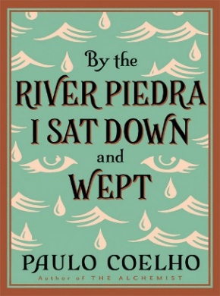

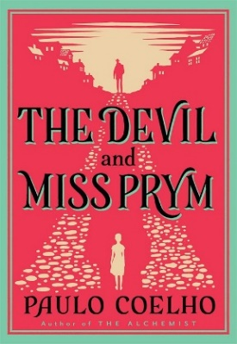
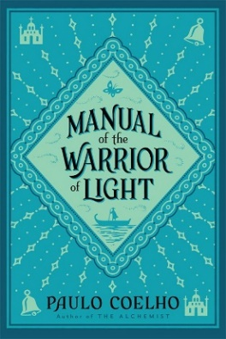

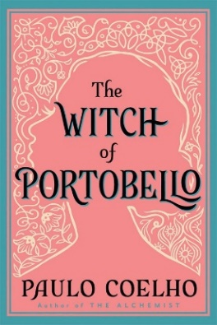
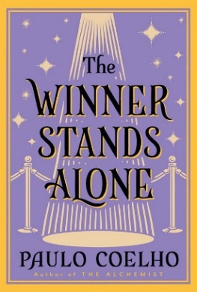






ISBN | Qty | Title |  | Price | Pack Size | Availability

STILL IN A-FORMAT
9780007155668 |  | THE ALCHEMIST *Export only |  | £6.99 | 110
9780007214709 |  | THE PILGRIMAGE - re-issue *Export only | old series look | £6.99 | 90
9780007306091 |  | THE WINNER STANDS ALONE *Export only | old series look | £6.99 | 70

NEW LOOK B-FORMATS - AVAILABLE NOW!
9780722532935 |  | THE ALCHEMIST |  | £9.99 | 80
9780722534878 |  | THE PILGRIMAGE |  | £7.99 | 48
9780007166046 |  | ELEVEN MINUTES |  | £7.99 | 64
9780007251872 |  | THE WITCH OF PORTABELLO |  | £6.99 | 40
9780007220854 |  | THE ZAHIR |  | £7.99 | 40
9780722536544 |  | THE FIFTH MOUNTAIN |  | £7.99 | 64
9780007551804 |  | VERONIKA DECIDES TO DIE [new edition] |  | £6.99 | 80
9780007116058 |  | THE DEVIL AND MISS PRYM |  | £7.99 | 96
9780722535202 |  | BY THE RIVER PIEDRA I SAT DOWN AND WEPT |  | £7.99 | 80
9780722533949 |  | THE VALKYRIES |  | £7.99 | 32
9780007306084 |  | THE WINNER STANDS ALONE |  | £6.99 | 40
9780007156320 |  | MANUAL OF THE WARRIOR OF LIGHT |  | £6.99 | 56

B-FORMATS - OLD SERIES LOOK
9780007435524 |  | ALEPH |  | £6.99 | 56
9780007235803 |  | LIKE THE FLOWING RIVER |  | £7.99 | 56
9780007520619 |  | MANUSCRIPT FOUND IN ACCRA |  | £7.99 | 88

OTHER FORMATS
9780007492190 |  | THE ALCHEMIST [special edition] (HB) |  | £12.99 | 16 | Out of Stock
9780007259076 |  | LIFE: Selected Quotations (HB) |  | £10.00 | 52 | Out of Stock
9780007423200 |  | THE ALCHEMIST - A Graphic Novel (HB) |  | £14.99 | 28 | Out of Stock
9780008144227 |  | THE ALCHEMIST [The Pocket Alchemist edition] |  | £12.99 | 14

Digital presenter and POS available. Please speak to your sales rep.

Customer Name:

Customer Account Number:

