Summer Reading 2022
HCUK Summer Reading 2023

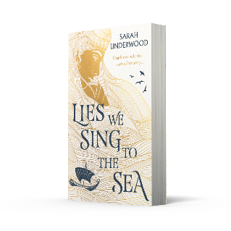
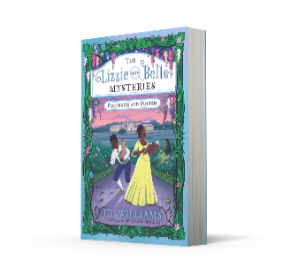
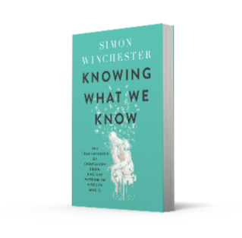
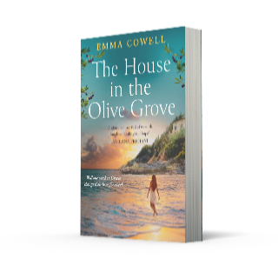
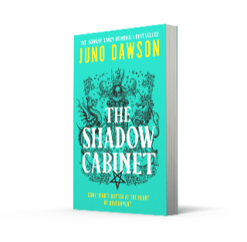

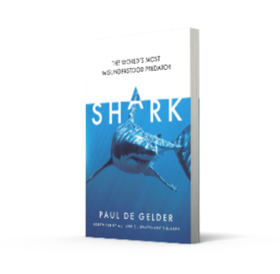


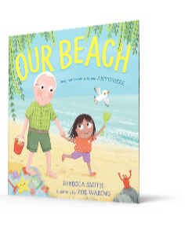

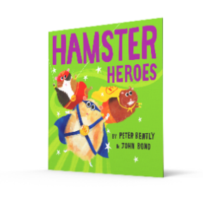

GENERAL FICTION
ISBN | Title | Author | Format | Price | Pub Date | Qty
9780008511739 | REALLY GOOD, ACTUALLY [IE, Airside, Export-only] | Monica Heisey | TPB OM | £12.99
9780008421793 | CLEOPATRA AND FRANKENSTEIN | Coco Mellors | PB B | £9.99
9780008499099 | WEYWARD [Export, Airside, IE-only] | Emilia Hart | TPB OM | £13.99
9780008464042 | IMPOSSIBLE | Sarah Lotz | PB B | £8.99
9780008539023 | MUST LOVE BOOKS [not-CA] | Shauna Robinson | PB B | £8.99
9780008467074 | LOOKING OUT FOR LOVE [not-US] | Sophia Money-Coutts | PBO B | £8.99
9780008558734 | VERA WONG’S UNSOLICITED ADVICE FOR MURDERERS | Jesse Sutanto | PB B | £8.99
9780008528843 | ROOTLESS [Export, Airside, IE-only] | Krystle Zara Appiah | TPB OM | £13.99
9780008395155 | GAMES AND RITUALS [IE, Airside, Export-only] | Katherine Heiny | TPB OM | £13.99 | Apr-23
9780008484514 | COUNTERFEIT | Kirstin Chen | PB B | £9.99 | Apr-23
9780008541217 | ARTHUR AND TEDDY ARE COMING OUT [Airside, Export, IE-only, not-US, not-CA] | Ryan Love | TPB OM | £12.99 | Apr-23
9780008550004 | LOVE ON THE MENU | Mimi Deb | PB B | £8.99 | Apr-23
9780008515874 | THE HOUSE IN THE OLIVE GROVE [not-US] | Emma Cowell | PB B | £8.99 | May-23
9780008619640 | LOVE ME DO [Export-only, not-US] | Lindsey Kelk | PB A OM | £7.99 | May-23
9780008554415 | FALLING HARD FOR THE ROYAL GUARD | Megan Clawson | PB B | £8.99 | May-23
9780008412487 | BETWEEN US [not-US, not-CA] | Mhairi McFarlane | PBO B | £8.99 | May-23
9780008491550 | THE MEASURE | Nikki Erlick | PB B | £9.99 | May-23
9780008532789 | YELLOWFACE [Export, Airside, IE-only] | Rebecca F Kuang | TPB OM | £14.99 | May-23
9780008588717 | BEST MEN | Sidney Karger | PBO B | £8.99 | May-23
9780008554583 | WHAT WOULD JANE AUSTEN DO? [not-US, not-CA] | Linda Corbett | PB B | £8.99 | Jun-23
9780008518912 | THE BREAK-UP CLAUSE | Niamh Hargan | PB B | £8.99 | Jun-23
9780007532940 | TWELVE MONTHS AND A DAY | Louisa Young | PB B | £9.99 | Jul-23
9780008566593 | THE SEVEN YEAR SLIP | Ashley Poston | PB B | £8.99 | Jun-23
9780008564834 | FORGET ME NOT | Julie Soto | PB B | £8.99 | Jul-23
9780008407919 | LOVE ME DO [not-US] | Lindsey Kelk | PB B | £8.99 | Jul-23
9780008418489 | THE LITTLE ITALIAN HOTEL | Phaedra Patrick | PB B | £8.99 | Jul-23

SCI FI AND FANTASY
ISBN | Title | Author | Format | Price | Pub Date | Qty
9780008350451 | Empire of the Vampire (1) — EMPIRE OF THE VAMPIRE | Jay Kristoff | PB B | £9.99
9780008450441 | The Final Strife (1) — THE FINAL STRIFE | Saara El-Arifi | PB B | £8.99
9780008512446 | THE MEMORY LIBRARIAN: And Other Stories of Dirty Computer | Janelle Monáe | PB B | £8.99 | Apr-23
9780008478544 | HER MAJESTY’S ROYAL COVEN | Juno Dawson | PB B | £8.99 | May-23
9780008582746 | The Five Crowns of Okrith (4) — THE EVERGREEN HEIR | A.K. Mulford | PBO B | £8.99 | Jun-23
9780008479480 | THE BOOK EATERS | Sunyi Dean | PB B | £9.99 | Aug-23

CRIME AND THRILLER
ISBN | Title | Author | Format | Price | Pub Date | Qty
9780008481094 | SO HAPPY FOR YOU | Celia Laskey | PB B | £8.99
9780008538842 | CITY ON FIRE [Export-only] | Don Winslow | PB A OM | £6.99
9780008538811 | William Warwick Novels — NEXT IN LINE [Export-only, not-US, not-CA] | Jeffrey Archer | PB A OM | £6.99
9780008474362 | William Warwick Novels — NEXT IN LINE [not-US, not-CA] | Jeffrey Archer | PB B | £8.99
9780008538859 | Colter Shaw Thriller (4) — HUNTING TIME [Export-only] | Jeffery Deaver | PB A OM | £7.99
9780008503857 | Colter Shaw Thriller (4) — HUNTING TIME | Jeffery Deaver | PB B | £8.99
9780008507831 | CITY OF DREAMS [Export, Airside, IE-only] | Don Winslow | TPB OM | £13.99 | Apr-23
9780008494698 | THE CHANGE | Kirsten Miller | PB B | £8.99 | Apr-23
9780008379292 | THE GUILTY COUPLE [not-US] | C.L. Taylor | PB B | £8.99 | Apr-23
9780008620127 | PORTRAIT OF AN UNKNOWN WOMAN [Export-only] | Daniel Silva | PB A OM | £7.50 | May-23
9780008280703 | PORTRAIT OF AN UNKNOWN WOMAN | Daniel Silva | PB B | £9.99 | May-23
9780008520540 | THE VILLAGE HALL VENDETTA | Jonathan Whitelaw | PB B | £8.99 | May-23
9780008467357 | MARPLE: TWELVE NEW STORIES | Agatha Christie, Naomi Alderman, Leigh Bardugo, Alyssa Cole, Lucy Foley, Elly Griffiths, Natalie Haynes, Jean Kwok, Val McDermid, Karen M. McManus, Dreda Say Mitchell, Kate Mosse and Ruth Ware | PB B | £9.99 | Jun-23
9780008503086 | THE GIRLS ARE GOOD [not-US, not-IT] | Ilaria Bernardini | PB B | £8.99 | Jun-23
9780008499402 | The Will Trent Series (11) — AFTER THAT NIGHT [Export, Airside, IE-only] | Karin Slaughter | TPB OM | £14.99 | Jun-23
9780008525613 | LOOK BOTH WAYS | Linwood Barclay | PB B | £8.99 | Jun-23
9780008476519 | The Marlow Murder Club Mysteries (2) — DEATH COMES TO MARLOW | Robert Thorogood | PB B | £8.99 | Jun-23
9780008280680 | THE COLLECTOR [Export, Airside, IE-only] | Daniel Silva | TPB OM | £14.99 | Jul-23
9780008433727 | THOSE PEOPLE NEXT DOOR [not-US, not-CA] | Kia Abdullah | PB B | £8.99 | Jul-23
9780008613884 | I DID IT FOR YOU [Airside, Export, IE-only] | Amy Engel | TPB OM | £12.99 | Aug-23

YOUNG ADULT
ISBN | Title | Author | Format | Price | Pub Date | Qty
9780008592233 | This Woven Kingdom — THESE INFINITE THREADS [Airside, Export-only] | Tahereh Mafi | TPB OM | £10.99
9780008558550 | LIES WE SING TO THE SEA [Export, Airside-only] | Sarah Underwood | TPB OM | £10.99
9780008592530 | SING ME FORGOTTEN [not-US] | Jessica S. Olson | PB B | £8.99
9780008492236 | Twin Crowns (2) — CURSED CROWNS | Katherine Webber and Catherine Doyle | PB B | £8.99 | Apr-23
9780008607333 | IMOGEN, OBVIOUSLY [not-US] | Becky Albertalli | PB B | £8.99 | May-23
9780008639129 | MY LIFE NEXT DOOR | Huntley Fitzpatrick | PB B | £7.99 | Jun-23
9780008639136 | WHAT I THOUGHT WAS TRUE | Huntley Fitzpatrick | PB B | £7.99 | Jun-23
9780008639105 | THE BOY MOST LIKELY TO | Huntley Fitzpatrick | PB B | £7.99 | Jun-23
9780008507237 | FIVE SURVIVE | Holly Jackson | PB B | £7.99 | Jul-23
9780008540968 | MURDER ON A SCHOOL NIGHT | Kate Weston | PB B | £8.99 | Jul-23
9780008627355 | EVERY EXQUISITE THING | Laura Steven | PB B | £8.99 | Aug-23
9780008529529 | This Woven Kingdom — THESE INFINITE THREADS | Tahereh Mafi | PB B | £8.99 | Aug-23

CHILDREN'S
ISBN | Title | Author | Format | Price | Pub Date | Qty
9780008197056 | THE WORLD’S WORST CHILDREN 1 [not-US] | David Walliams, Illustrated by Tony Ross | PB B | £7.99
9780008606190 | LEEVA AT LAST [not-US] | Sara Pennypacker, Illustrated by Matthew Cordell | PBO B | £7.99
9780008538545 | Dread Wood (3) — FLOCK HORROR | Jennifer Killick | PB B | £7.99
9780008586027 | Skulduggery Pleasant — HELL BREAKS LOOSE [Airside, IE, Export-only, not-US] | Derek Landy | TPB OM | £12.99
9780008410889 | Pages & Co. (5) — PAGES & CO.: THE TREEHOUSE LIBRARY [not-US] | Anna James, Illustrated by Marco Guadalupi | PB B | £7.99
9780008581435 | ROBODOG [Export, Airside, IE-only, not-US, not-CA] | David Walliams, Illustrated by Adam Stower | TPB OM | £12.99
9780008485283 | The Lizzie and Belle Mysteries (2) — PORTRAITS AND POISON | J.T. Williams, Illustrated by Simone Douglas | PB B | £7.99
9780008582944 | Fairytale Ninjas (1) — THE GLASS SLIPPER ACADEMY [not-US] | Paula Harrison | PB B | £6.99
9780008621889 | THE WORLD’S WORST CHILDREN 2 [not-US] | David Walliams, Illustrated by Tony Ross | PB B | £7.99 | Apr-23
9780008470715 | OUR BEACH [not-US] | Rebecca Smith, Illustrated by Zoe Waring | PB | £7.99 | Apr-23
9780008534103 | Mr. Men and Little Miss Discover You — MR. MEN LITTLE MISS: SHARING | Roger Hargreaves | PB | £4.99 | Mar-23
9780008534110 | Mr. Men and Little Miss Discover You — MR. MEN LITTLE MISS: BE YOURSELF | Roger Hargreaves | PB | £4.99 | Mar-23
9780008276492 | ONLY CHILDREN: Three Hilarious Short Stories [Export, IE, Airside-only] | David Baddiel, Illustrated by Jim Field and Steven Lenton | TPB OM | £10.99 | May-23
9780008621896 | THE WORLD’S WORST CHILDREN 3 [not-US] | David Walliams, Illustrated by Tony Ross | PB B | £7.99 | May-23
9780008472450 | Skulduggery Pleasant — THE SKULDUGGERY PLEASANT GRIMOIRE | Derek Landy | PB B | £8.99 | May-23
9780008560829 | THE CRAYONS GO BACK TO SCHOOL [not-US, not-AU, not-NZ] | Drew Daywalt, Illustrated by Oliver Jeffers | HB | £7.99 | May-23
9780007489442 | Geek Girl (1) — GEEK GIRL [10th Anniversary edition] | Holly Smale | PB B | £7.99 | May-23
9780008470746 | The One and Only Ivan — THE ONE AND ONLY RUBY | Katherine Applegate | PBO B | £7.99 | May-23
9780008579050 | Cosima Unfortunate (1) — COSIMA UNFORTUNATE STEALS A STAR [not-US] | Laura Noakes | PBO B | £7.99 | May-23
9780008509927 | GOLDILOCKS AND THE THREE CROCODILES [not-US] | Michael Rosen, Illustrated by David Melling | PB | £7.99 | May-23
9780008554606 | The School for Good and Evil — THE FALL OF THE SCHOOL FOR GOOD AND EVIL [not-US] | Soman Chainani | PB B | £7.99 | May-23
9781405298650 | Amari and the Night Brothers — AMARI AND THE GREAT GAME | BB Alston | PB B | £7.99 | May-23
9780008355173 | A Clock of Stars (3) — THE GREATEST KINGDOM [not-US] | Francesca Gibbons, Illustrated by Chris Riddell | PB B | £7.99 | Apr-23
9780008541514 | Clarice Bean — SCRAM! [not-US] | Lauren Child | PB | £7.99 | May-23
9780008588137 | THE LAST COMICS ON EARTH | Max Brallier and Joshua Pruett, Illustrated by Douglas Holgate and Jay Cooper | PB B | £8.99 | Apr-23
9780008561512 | TWO DOGS [not-US] | Ian Falconer | PB | £8.99 | Jun-23
9780008476038 | Einstein the Penguin (2) — THE CASE OF THE FISHY DETECTIVE [not-US] | Iona Rangeley, Illustrated by David Tazzyman | PB | £7.99 | Jun-23
9780008408589 | Genie and Teeny (4) — WISH UPON A STAR [not-US] | Steven Lenton | PB B | £6.99 | Jun-23
9780008505479 | SPYCERATOPS [not-US] | Alex Willmore | PB | £7.99 | Jul-23
9780755500208 | Narwhal and Jelly (8) — A SUPER SCARY NARWHALLOWEEN | Ben Clanton | PB | £6.99 | Jul-23
9780008499761 | MEGAMONSTER [not-US] | David Walliams, Illustrated by Tony Ross | PB B | £7.99 | Jul-23
9780755504374 | Monster Hunting (2) — MONSTERS BITE BACK | Ian Mark, Illustrated by Louis Ghibault | PB B | £7.99 | Jul-23
9780008610135 | Barry Loser — DOUBLE TROUBLE! | Jim Smith | PB | £8.99 | Jul-23
9780008582975 | Fairytale Ninjas (2) — THE MAGIC CROWN [not-US] | Paula Harrison | PB B | £6.99 | Jul-23
9780008469252 | HAMSTER HEROES [not-US] | Peter Bently, Illustrated by John Bond | PB | £7.99 | Jul-23
9780008627584 | MY FIRST DRAW WITH ROB: DINOSAURS [not-US] | Rob Biddulph | PBO | £5.99 | Jul-23
9780008565336 | The Dog Squad (1) — THE NEWSHOUND [not-US] | Clara Vulliamy | PB B | £6.99 | Aug-23

NON-FICTION / MISC
ISBN | Title | Author | Format | Price | Pub Date | Qty
9780008393793 | A HUMAN HISTORY OF EMOTION: How the Way We Feel Built the World We Know | Richard Firth-Godbehere | PB B | £9.99
9780008466725 | FOOLPROOF: Why We Fall for Misinformation and How to Build Immunity [IE, Airside, Export-only] | Sander van der Linden | TPB OM | £16.99
9780008586775 | THE PATRIARCHS: How Men Came to Rule [Airside, IE, Export-only] | Angela Saini | TPB OM | £14.99
9780008524470 | PARIS: The Memoir [Airside, Export, IE-only] | Paris Hilton | TPB OM | £16.99
9780008529277 | UNTYPICAL: How the world isn’t built for autistic people and what we should all do about it [Airside, Export, IE-only] | Pete Wharmby | TPB OM | £13.99
9780008412654 | AUTHENTICITY: Reclaiming Reality in a Counterfeit Culture | Alice Sherwood | PB B | £9.99 | Apr-23
9780008374907 | FRIENDAHOLIC: Confessions of a Friendship Addict [IE, Airside, Export-only] | Elizabeth Day | TPB OM | £14.99 | Apr-23
9780008394516 | ENDLESS FORMS: Why We Should Love Wasps | Seirian Sumner | PB B | £9.99 | Apr-23
9780008519018 | THE THEORY OF EVERYTHING ELSE: A Voyage into the World of the Weird [not-US, not-CA] | Dan Schreiber | PB B | £9.99 | Apr-23
9780008299798 | NAZI BILLIONAIRES: The Dark History of Germany’s Wealthiest Dynasties | David de Jong | PB B | £10.99 | Apr-23
9780008530181 | MAKING DECISIONS: Putting the Human Back in the Machine | Ed Smith | PB B | £9.99 | Apr-23
9780008484392 | KNOWING WHAT WE KNOW: The Transmission of Knowledge: From Ancient Wisdom to Modern Magic [IE, Airside, Export-only] | Simon Winchester | TPB OM | £16.99 | Apr-23
9780008490799 | HOW TO BE: Life Lessons from the Early Greeks [IE, Airside, Export-only] | Adam Nicolson | TPB OM | £14.99 | Jun-23
9780008477905 | THE TRIALS OF LIFE: A Natural History of Animal Behaviour | David Attenborough | PB B | £9.99 | Jun-23
9780008476472 | INTO THE VOID: From Birth to Black Sabbath – and Beyond [Airside, Export, IE-only, not-US] | Geezer Butler | TPB OM | £16.99 | Jun-23
9780008600822 | FREE YOUR MIND: The new world of manipulation and how to resist it [Airside, Export, IE-only] | Laura Dodsworth and Patrick Fagan | TPB OM | £16.99 | Jun-23
9781841155807 | THE MUSIC OF THE PRIMES: Why an unsolved problem in mathematics matters | Marcus du Sautoy | PB B | £9.99 | Jun-23
9780008562786 | OVERREACH: The Inside Story of Putin’s War Against Ukraine | Owen Matthews | PB B | £10.99 | Jun-23
9780008546373 | CHARLIE'S GOOD TONIGHT: The Authorised Biography of Charlie Watts | Paul Sexton | PB B | £9.99 | Jun-23
9780008599188 | THE FIGHT IS HERE: Volodymyr Zelensky and the War in Ukraine [IE, Airside, Export-only, not-US, not-CA] | Simon Shuster | TPB OM | £14.99 | Jun-23
9780008533052 | THE SECRET HEART: Le Carré and Me: Tales From a Secret Love Affair | Suleika Dawson | PB B | £9.99 | Jun-23
9780008527877 | AFTER STEVE: How Apple became a Trillion-Dollar Company and Lost Its Soul | Tripp Mickle | PB B | £10.99 | Jun-23
9780008536480 | HOW TO BE CONFIDENT: The new book from the international number 1 bestselling author | James Smith | PB B | £9.99 | Jul-23
9780008529703 | SHARK: Why we need to save the world’s most misunderstood predator | Paul de Gelder | PB B | £9.99 | Jul-23
9780008531775 | THE EARL AND THE PHARAOH: From the Real Downton Abbey to the Discovery of Tutankhamun [not-US, not-CA] | The Countess of Carnarvon | PB B | £10.99 | Jul-23

Customer Name:

Account Number:

Customer Address:

