Sheet1
HCUK US POLITICS ORDER FORM

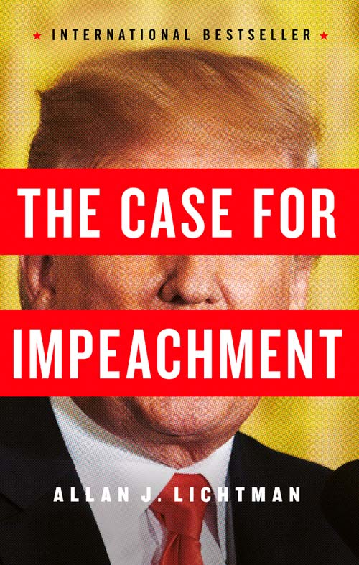


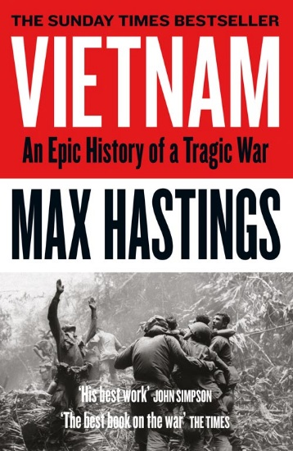

ISBN | Title | Author | Format | UK pub date | Price
9780008274993 | A VAST CONSPIRACY: The Real Story of the Sex Scandal That Nearly Brought Down a President (re-issue) | Jeffrey Toobin | PBO B | May-20 | £9.99
9780008415808 | RIGGED: America, Russia and 100 Years of Covert Electoral Interference | David Shimer | HB | Jun-20 | £20.00
9780008415815 | RIGGED: America, Russia and 100 Years of Covert Electoral Interference [IE, Airside, Export-only] *Export date | David Shimer | TPB OM | Jun-20 | £14.99
9780008277116 | THE HYPE MACHINE: How Fake News and Social Media Disrupt our Elections, Our Economies and Our Lives | Sinan Aral | HB | Sep-20 | £20.00
9780008277130 | THE HYPE MACHINE: How Fake News and Social Media Disrupt our Elections, Our Economies and Our Lives [Airside, Export, IE-only] | Sinan Aral | TPB OM | Sep-20 | £14.99
9780008415976 | LIAR’S CIRCUS | Carl Hoffman | HB | Oct-20 | £16.99
9780008415983 | LIAR’S CIRCUS [Airside, Export, IE-only] | Carl Hoffman | TPB OM | Oct-20 | £12.99
9780008359386 | A PROBLEM FROM HELL: America and the Age of Genocide | Samantha Power | PB B | Oct-20 | £9.99
9780007575657 | WAR ON PEACE: The Decline of American Influence | Ronan Farrow | PB B | Oct-20 | £9.99

9780008325787 | THE APPRENTICE: Trump, Russia and the Subversion of American Democracy | Greg Miller | PB B |  | £9.99
9780008296759 | CHASING HILLARY | Amy Chozick | PB B | Available Now | £9.99
9780008363895 | TARGETED: My Inside Story of Cambridge Analytica and How Trump and Facebook Broke Democracy | Brittany Kaiser | HB | Available Now | £16.99
9780008363901 | TARGETED: My Inside Story of Cambridge Analytica and How Trump and Facebook Broke Democracy [Airside, Export, IE-only] | Brittany Kaiser | TPB OM | Available Now | £14.99
9780008229412 | RISING STAR: The Making of Barack Obama | David Garrow | PB B | Available Now | £14.99
9780008294045 | HOW TO LOSE A COUNTRY: The 7 Steps from Democracy to Dictatorship [not-US, not-CA] | Ece Temelkuran | PB B | Available Now | £9.99
9780008254575 | THIS FIGHT IS OUR FIGHT: The Battle to Save Working People [IE, Airside, Export-only] | Elizabeth Warren | PB B | Available Now | £10.99
9780008292492 | BORN TRUMP | Emily Jane Fox | PB B | Available Now | £9.99
9780008325787 | THE APPRENTICE: Trump, Russia and the Subversion of American Democracy | Greg Miller | PB B | Available Now | £9.99
9780008300067 | FROM RUSSIA WITH BLOOD: Putin’s Ruthless Killing Campaign and Secret War on the West [IE, Airside, Export-only] | Heidi Blake | TPB OM | Available Now | £14.99
9780008300050 | FROM RUSSIA WITH BLOOD: Putin’s Ruthless Killing Campaign and Secret War on the West | Heidi Blake | HB | Available Now | £20.00
9780008220563 | HILLBILLY ELEGY: A Memoir of a Family and Culture in Crisis | J. D. Vance | PB B | Available Now | £8.99
9780008282301 | FASCISM: A Warning | Madeleine Albright | PB B | Available Now | £9.99
9780008133016 | VIETNAM: An Epic Tragedy: 1945-1975 | Max Hastings | PB B | Available Now | £9.99
9780008312800 | THE DEATH OF TRUTH | Michiko Kakutani | PB B | Available Now | £7.99
9780008312787 | THE DEATH OF TRUTH | Michiko Kakutani | HB | Available Now | £12.99
9780007575657 | WAR ON PEACE: The Decline of American Influence | Ronan Farrow | PB B | Available Now | £9.99
9780007575633 | WAR ON PEACE: The Decline of American Influence | Ronan Farrow | TPB | Available Now | £14.99
9780007575626 | WAR ON PEACE: The Decline of American Influence | Ronan Farrow | HB | Available Now | £20.00
9780008274900 | THE EDUCATION OF AN IDEALIST | Samantha Power | HB | Available Now | £20.00
9780008274917 | THE EDUCATION OF AN IDEALIST [IE, Airside, Export-only] | Samantha Power | TPB OM | Available Now | £14.99
9780008238148 | THE SPY WHO CHANGED HISTORY: The Untold Story of How the Soviet Union Won the Race for America’s Top Secrets | Svetlana Lokhova | PB B | Available Now | £9.99
Customer Name
Order Ref :

