Sheet1
Business and Technology

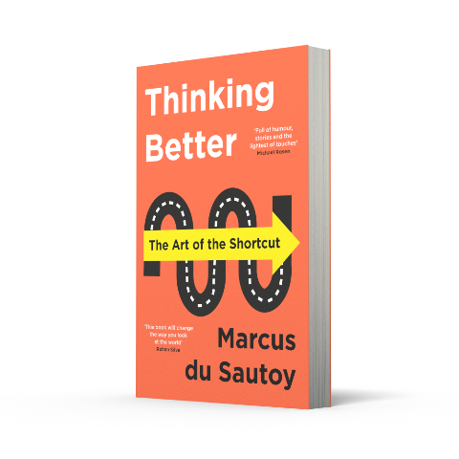
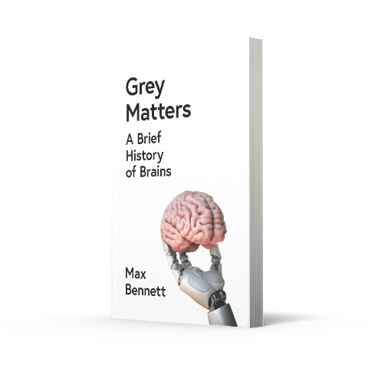
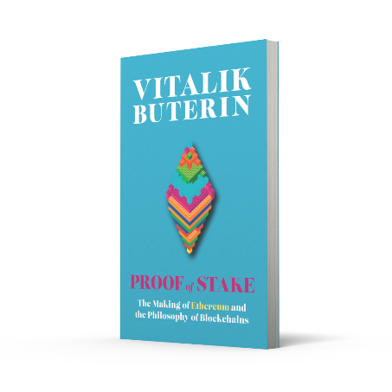
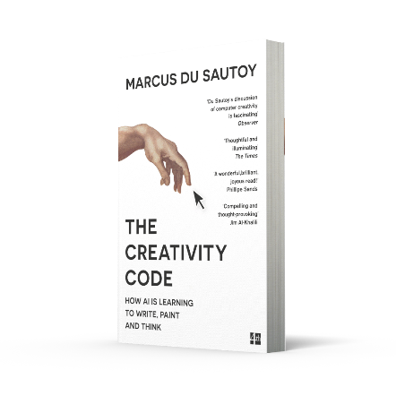
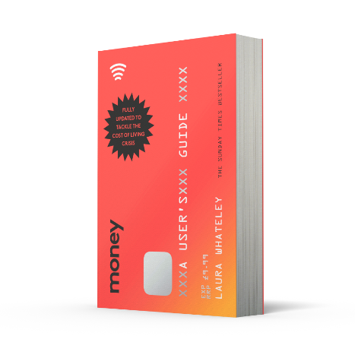
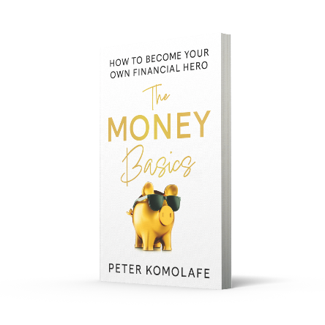
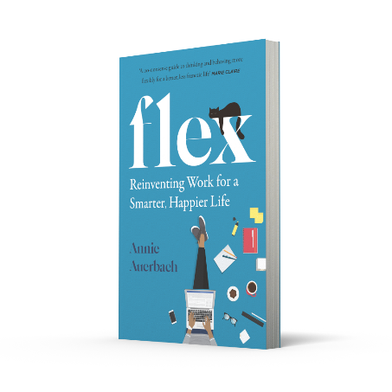


BUSINESS
ISBN | Title | Author | Format | UK Price | Pub date | Qty
9780008619312 | THRIVE: How to Make Working Work for You [Airside, Export, IE-only, not-US, not-CA] | Isabel Berwick | TPB OM | £12.99 | Jan-24
9780008527877 | AFTER STEVE: How Apple became a Trillion-Dollar Company and Lost Its Soul | Tripp Mickle | PB B | £10.99 | Jun-23
9780008530181 | MAKING DECISIONS: Putting the Human Back in the Machine | Ed Smith | PB B | £9.99 | May-23
9780008589301 | HEART AND HUSTLE: Use your passion. Build your brand. Achieve your dreams. [not-US, not-CA] | Patricia Bright | PB B | £9.99 | Apr-23
9780008445669 | LIFTOFF: Elon Musk and the Desperate Early Days That Launched SpaceX [not-CA] | Eric Berger | PB B | £9.99
9780008447885 | TEN SURVIVAL SKILLS FOR A WORLD IN FLUX [IE, Airside, Export-only] | Tom Fletcher | TPB OM | £14.99
9780008466725 | FOOLPROOF: Why We Fall for Misinformation and How to Build Immunity [IE, Airside, Export-only] | Sander van der Linden | TPB OM | £16.99
9780008498313 | UPSHIFT: Turning Pressure into Performance and Crisis into Creativity [IE, Airside, Export-only] | Ben Ramalingam | TPB OM | £16.99
9780008525972 | ATTENTION SPAN: Finding Focus for a Fulfilling Life [IE, Airside, Export-only] | Gloria Mark | TPB OM | £14.99
9780008376000 | THE SUCCESS CODE | Amanda Dewinter | PB B | £9.99
9780008400422 | FLEX: Reinventing Work for a Smarter, Happier Life [not-US] | Annie Auerbach | PB B | £8.99
9780008401863 | SHY: How Being Quiet Can Lead to Success | Annie Ridout | PB B | £8.99
9780008356118 | WHAT YOU DO IS WHO YOU ARE: How to Create Your Business Culture | Ben Horowitz | HB | £20.00
9780008226398 | EDGE: Leadership Secrets from Footballs’s Top Thinkers | Ben Lyttleton | PB B | £9.99
9780008313166 | PERFORM UNDER PRESSURE: Change the Way You Feel, Think and Act Under Pressure | Ceri Evans | HB | £14.99
9780008455002 | SIDE HUSTLE IN PROGRESS: A Practical Guide to Kickstarting Your Business | Elizabeth Ogabi | PB+FL | £10.99
9780008312831 | THE 5 AM CLUB: Own Your Morning. Elevate Your Life. | Robin Sharma | TPB PBO | £16.99
9780008305666 | LIMITLESS MIND: Learn, Lead and Live Without Barriers | Jo Boaler | TPB | £14.99
9780008490560 | BE EXCEPTIONAL: Master the Five Traits that Set Extraordinary People Apart | Joe Navarro, With Toni Sciarra Poynter | TPB | £13.99
9780008297046 | CONNECTING THE DOTS: Leadership Lessons in a Start-up World [Export-only] | John Chambers | TPB OM | £14.99
9780008510572 | GRIP: The art of working smart (and getting to what matters most) | Rick Pastoor, Translated by Erica Moore and Elizabeth Manton | TPB PBO | £12.99
9780008263669 | SELF LEADERSHIP AND THE ONE MINUTE MANAGER: Gain the mindset and skillset for getting what you need to succeed [Revised edition] | Ken Blanchard, With Susan Fowler and Laurence Hawkins | PB B | £9.99
9780008393953 | THINKING BETTER: The Art of the Shortcut | Marcus du Sautoy | PB B | £9.99
9780008276300 | THE THIRD PILLAR: How Markets and the State Leave the Community Behind [not-IN] | Raghuram Rajan | PB B | £9.99
9780008303631 | BLITZSCALING: The Lightning-Fast Path to Building Massively Valuable Companies | Reid Hoffman and Chris Yeh | TPB | £14.99
9780008261405 | THE BULLET JOURNAL METHOD: Track Your Past, Order Your Present, Plan Your Future | Ryder Caroll | PB B | £9.99
9780008247690 | HIT REFRESH: A Memoir by Microsoft’s CEO | Satya Nadella | PB B | £9.99
9780008305703 | ULTRALEARNING: Accelerate Your Career, Master Hard Skills and Outsmart the Competition | Scott Young | TPB | £14.99
9780008434137 | TALK MORE. SAY LESS. GET AHEAD.: The Business Speak Dictionary |  | HB | £7.99
TECHNOLOGY AND ARTIFICIAL INTELLIGENCE
ISBN | Title | Author | Format | UK Price | Pub date | Qty
9780008560102 | GREY MATTERS: A Brief History of Brains | Max Bennett | TPB OM | £14.99 | Oct-23
9780008328238 | HOW TO TALK TO ROBOTS: A Girls’ Guide To a Future Dominated by AI | Tabitha Goldstaub | PB A OM | £8.99
9780008288198 | THE CREATIVITY CODE: How AI is learning to write, paint and think | Marcus du Sautoy | PB B | £9.99
9780008302108 | AUTONOMY: The Quest to Build the Driverless Car and How It Will Reshape Our World | Lawrence D. Burns | PB B | £9.99
9780008476526 | DIGITAL BODY LANGUAGE: How to Build Trust and Connection, No Matter the Distance | Erica Dhawan | TPB | £14.99
9780007547999 | ALGORITHMS TO LIVE BY: The Computer Science of Human Decisions | Brian Christian and Tom Griffiths | PB B | £10.99
9780007427796 | SMARTER THAN YOU THINK: How Technology is Changing Our Minds for the Better | Clive Thompson | PB B | £9.99
9780008301774 | THE TRUTH MACHINE: The Blockchain and the Future of Everything | Michael J. Casey and Paul Vigna | TPB PBO | £14.99
FINANCE AND CRYPTOCURRENCY
ISBN | Title | Author | Format | UK Price | Pub date | Qty
9780008497521 | HOW TO MAKE MONEY: An honest guide to going from an idea to a six-figure business [IE, Airside, Export-only, not-US, not-CA] | Nafisa Bakkar | TPB OM | £13.99
9780008523190 | THE MONEY MENTOR | Santis O’Garro | TPB | £14.99
9780008421199 | VALUES: An Economist’s Guide to Everything That Matters | Mark Carney | PB B | £10.99
9780008308384 | KLEPTOPIA: How Dirty Money is Conquering the World | Tom Burgis | PB B | £10.99
9780008584368 | GET YOUR MONEY RIGHT: Understand Your Money and Make It Work for You [not-US] | Emmanuel Asuquo | HB | £16.99
9780008620356 | THE MONEY BASICS: How to Become Your Own Financial Hero | Peter Komolafe | TPB PBO | £16.99
9780008497033 | THE ANTISOCIAL NETWORK [Film tie-in edition] | Ben Mezrich | PB B | £9.99
9780008308315 | MONEY: A USER’S GUIDE [not-US] | Laura Whateley | PBO B | £9.99
9780008350420 | WE NEED TO TALK ABOUT MONEY [not-US, not-CA] | Otegha Uwagba | PB B | £9.99
9780008562793 | PROOF OF STAKE: The Making of Ethereum and the Philosophy of Blockchains | Vitalik Buterin, Edited by Nathan Schneider | TPB PBO | £14.99

Customer Name:
Account Number:
Customer Address:

