Sheet1
Cosy Crime Order Form


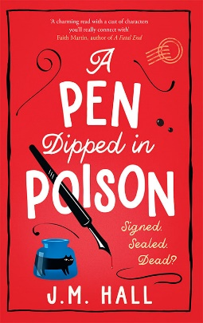
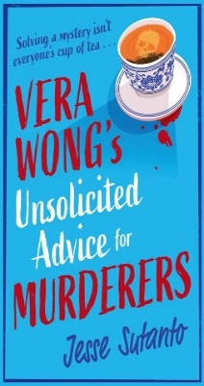
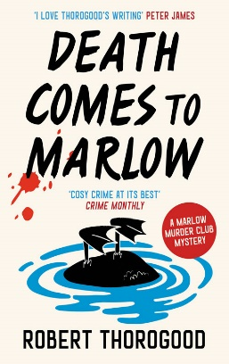
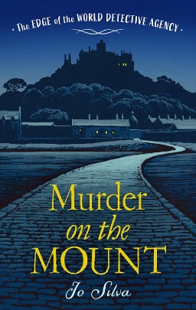
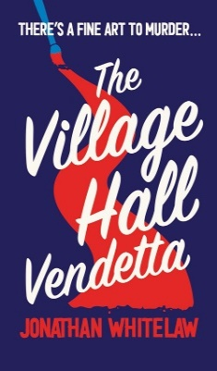
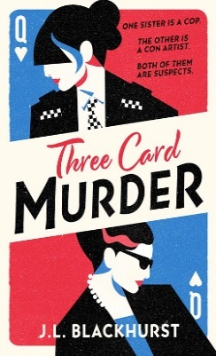
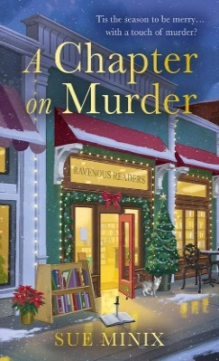

ISBN | Title | Author | Format | Price | Availability
9780008521349 | A Sherlock Holmes Adventure (5) — WHAT CHILD IS THIS?: A Sherlock Holmes Christmas Adventure | Bonnie MacBird, Illustrated by Frank Cho | PB B | £9.99 | Oct-23
9780008564919 | The Stamford Mysteries (1) — DEATH AT THE AUCTION [not-US, not-CA] | E. C. Bateman | PB B | £8.99
9780008564933 | The Stamford Mysteries (2) — MURDER MOST ANTIQUE [not-US, not-CA] | E. C. Bateman | PB B | £8.99 | Dec-23
9780008638924 | A Nosey Parker Cozy Mystery (1) — THE CORNISH WEDDING MURDER [not-US, not-CA] | Fiona Leitch | PB B | £9.99
9780008436582 | A Nosey Parker Cozy Mystery (2) — A BRUSH WITH DEATH [not-US, not-CA] | Fiona Leitch | PB B | £9.99
9780008436605 | A Nosey Parker Cozy Mystery (3) — A SPRINKLE OF SABOTAGE [not-US, not-CA] | Fiona Leitch | PB B | £9.99
9780008525378 | A Nosey Parker Cozy Mystery (5) — A CORNISH RECIPE FOR MURDER [not-US, not-CA] | Fiona Leitch | PB B | £8.99
9780008525392 | A Nosey Parker Cozy Mystery (6) — A CORNISH SEASIDE MURDER [not-US, not-CA] | Fiona Leitch | PB B | £8.99 | Aug-23
9780008567248 | THREE CARD MURDER | J.L. Blackhurst | PB B | £8.99 | Aug-23
9780008509644 | A PEN DIPPED IN POISON | J.M. Hall | PB B | £8.99 | Aug-23
9780008509613 | A SPOONFUL OF MURDER | J.M. Hall | PB B | £8.99
9780008558734 | VERA WONG’S UNSOLICITED ADVICE FOR MURDERERS | Jesse Sutanto | PB B | £8.99
9780008622817 | The Edge of the World Detective Agency (1) — THE WRECKER’S CURSE [not-US, not-CA] | Jo Silva | PB B | £8.99
9780008622831 | The Edge of the World Detective Agency (2) — MURDER ON THE MOUNT [not-US, not-CA] | Jo Silva | PB B | £8.99 | Aug-23
9780008513702 | THE BINGO HALL DETECTIVES | Jonathan Whitelaw | PBO B | £8.99
9780008520540 | THE VILLAGE HALL VENDETTA | Jonathan Whitelaw | PBO B | £8.99
9780008553029 | THE PURGATORY POISONING [not-US] | Rebecca Rogers | PBO B | £8.99
9781848453715 | A Death in Paradise Mystery (1) — A MEDITATION ON MURDER | Robert Thorogood | PB B | £8.99
9781848454439 | A Death in Paradise Mystery (2) — THE KILLING OF POLLY CARTER | Robert Thorogood | PB B | £9.99
9781848455252 | A Death in Paradise Mystery (3) — DEATH KNOCKS TWICE | Robert Thorogood | PB B | £8.99
9780008238193 | A Death in Paradise Mystery (4) — MURDER IN THE CARIBBEAN | Robert Thorogood | PB B | £8.99
9780008435912 | The Marlow Murder Club Mysteries (1) — THE MARLOW MURDER CLUB | Robert Thorogood | PB B | £8.99
9780008476519 | The Marlow Murder Club Mysteries (2) — DEATH COMES TO MARLOW | Robert Thorogood | PB B | £8.99 | Jun-23
9780008238308 | The Marlow Murder Club Mysteries (2) — DEATH COMES TO MARLOW [Airside, Export, IE-only] | Robert Thorogood | TPB OM | £12.99
9780008567439 | The Marlow Murder Club Mysteries (3) — THE QUEEN OF POISONS [Airside, Export, IE-only] | Robert Thorogood | TPB OM | £12.99 | Jan-24
9780008558017 | MURDER ON THE DANCE FLOOR [Airside, Export, IE-only, not-CA, not-US] | Shirley Ballas | TPB OM | £12.99 | Oct-23
9780008584689 | The Bookstore Mystery Series — A CHAPTER ON MURDER | Sue Minix | PB B | £8.99 | Sep-23
9780008584627 | The Bookstore Mystery Series — MURDER AT THE BOOKSTORE | Sue Minix | PB B | £8.99
9780008584658 | The Bookstore Mystery Series — THE MURDEROUS TYPE | Sue Minix | PB B | £8.99 | May-23
9780008562939 | MRS SIDHU’S ‘DEAD AND SCONE’ [Export, Airside, IE-only] | Suk Pannu | TPB OM | £13.99 | Oct-23
9780008549251 | Miss Ashford Investigates (1) — MYSTERY IN PROVENCE [not-CA] | Vivian Conroy | PB B | £8.99
9780008549275 | Miss Ashford Investigates (2) — LAST SEEN IN SANTORINI [not-US, not-CA] | Vivian Conroy | PB B | £8.99
9780008549329 | Miss Ashford Investigates (3) — A FATAL ENCOUNTER IN TUSCANY [not-US, not-CA] | Vivian Conroy | PB B | £8.99
9780008549329 | Miss Ashford Investigates (3) — A FATAL ENCOUNTER IN TUSCANY [not-US, not-CA] | Vivian Conroy | PB B | £8.99
9780008549299 | Miss Ashford Investigates (4) — LAST DANCE IN SALZBURG [not-US, not-CA] | Vivian Conroy | PB B | £8.99 | Nov-23

