Tolkien
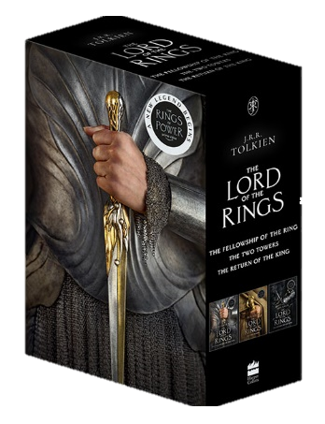
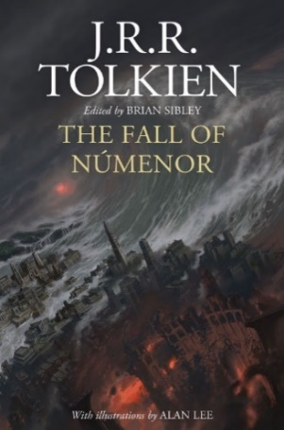
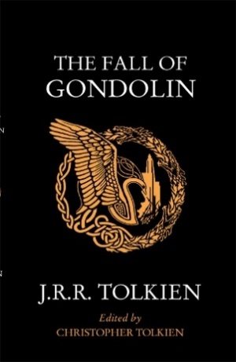
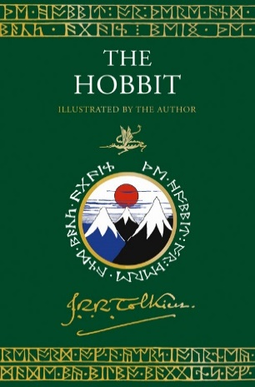
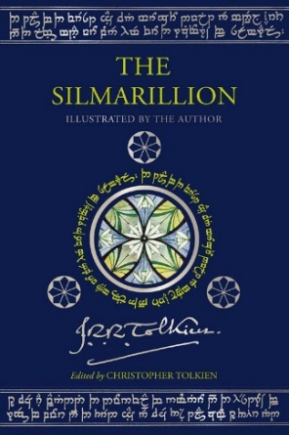
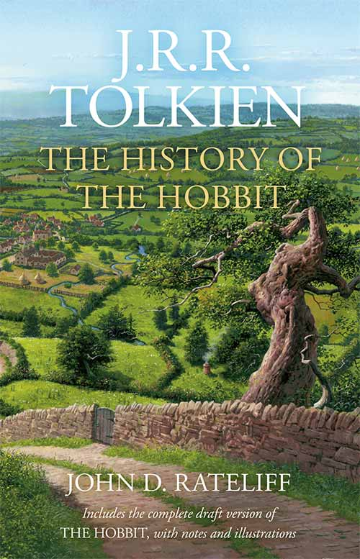
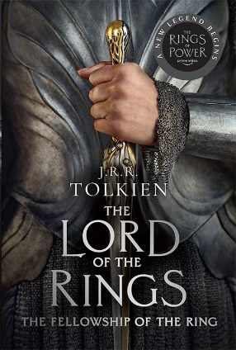
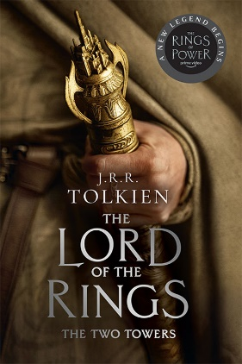
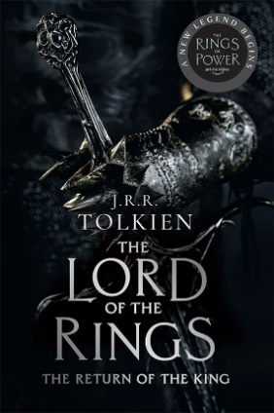

All titles by JRR Tolkien except where stated
COMING SOON!
ISBN | Title | Author | Price | Format | Availability | Order Qty
9780008627577 | LETTERS FROM FATHER CHRISTMAS | J. R. R. Tolkien | £20.00 | HB | Oct-23
9780008628765 | THE LETTERS OF J. R. R. TOLKIEN: Revised and Expanded edition [not-US] | Humphrey Carpenter and Christopher Tolkien | £30.00 | HB | Nov-23
9780008663162 | The History of Middle-earth — THE HISTORY OF MIDDLE-EARTH (BOXED SET 1): The Silmarillion, Unfinished Tales, The Book of Lost Tales, Part One & Part Two [not-US] | J. R. R. Tolkien and Christopher Tolkien | £100.00 | HB | Nov-23
9780008655655 | BEREN AND LÚTHIEN | J. R. R. Tolkien, Edited by Christopher Tolkien | £9.99 | PB B | Nov-23
9780008655662 | THE FALL OF GONDOLIN | J. R. R. Tolkien, Edited by Christopher Tolkien | £9.99 | PB B | Nov-23
9780261102224 | The History of Middle-earth (1) — THE BOOK OF LOST TALES 1 *Re-issue | Christopher Tolkien, Original author J. R. R. Tolkien | £10.99 | PB B | Jan-24
9780261102149 | The History of Middle-earth (2) — THE BOOK OF LOST TALES 2 *Re-issue | Christopher Tolkien, Original author J. R. R. Tolkien | £10.99 | PB B | Jan-24
TV tie-in editions: Now available!

ISBN | Title | Author | Price | Format | Availability | Order Qty
9780008537760 | THE LORD OF THE RINGS [TV tie-in Single Volume edition] |  | £25.00 | PB B
9780008537777 | The Lord of the Rings (1) — THE FELLOWSHIP OF THE RING [TV tie-in edition; Export-only] |  | £8.99 | PB A OM
9780008537722 | The Lord of the Rings (1) — THE FELLOWSHIP OF THE RING [TV tie-in edition] |  | £9.99 | PB B
9780008537784 | The Lord of the Rings (2) — THE TWO TOWERS [TV tie-in edition; Export-only] |  | £8.99 | PB A OM
9780008537739 | The Lord of the Rings (2) — THE TWO TOWERS [TV tie-in edition] |  | £9.99 | PB B
9780008537791 | The Lord of the Rings (3) — THE RETURN OF THE KING [TV tie-in edition; Export-only] |  | £8.99 | PB A OM
9780008537746 | The Lord of the Rings (3) — THE RETURN OF THE KING [TV tie-in edition] |  | £9.99 | PB B
9780008537753 | THE LORD OF THE RINGS BOXED SET [TV tie-in edition] |  | £29.99 | PB B +SC
9780008537807 | THE LORD OF THE RINGS BOXED SET [TV tie-in edition; Export-only] |  | £26.99 | PB A OM+ SC
9780008537814 | THE COMPLETE GUIDE TO MIDDLE-EARTH: The Definitive Guide to the World of J.R.R. Tolkien [Illustrated edition] | Robert Foster, Illustrated by Ted Nasmith | £35.00 | HB
THE HOBBIT
HARDBACK:
ISBN | Title | Author | Price | Format | Availability | Order Qty
9780008627782 | THE HOBBIT: Illustrated by the Author [Illustrated edition; not-US] | J. R. R. Tolkien, Illustrated by J. R. R. Tolkien | £45.00 | HB
9780008259549 | THE HOBBIT FACSIMILE GIFT EDITION [LENTICULAR COVER] [not-US] |  | £50.00 | HB
9780008260187 | THE HOBBIT & THE LORD OF THE RINGS GIFT SET: A MIDDLE-EARTH TREASURY [Boxed Set edition; not-US] |  | £49.99 | HB
9780007440832 | THE HOBBIT FACSIMILE FIRST EDITION [80th anniversary slipcased edition] |  | £30.00 | HB
9780007497904 | THE HOBBIT | J. R. R. Tolkien, Illustrated by Jemima Catlin | £25.00 | HB
9780007487301 | THE HOBBIT [Special Collector’s edition] |  | £16.99 | HB
9780007440849 | THE HOBBIT: POCKET HARDBACK [Pocket edition] |  | £12.99 | HB
9780007118359 | THE HOBBIT [Deluxe edition] |  | £75.00 | HB
9780261103283 | THE HOBBIT CLASSIC HARDBACK |  | £22.00 | HB
9780008376116 | THE HOBBIT [Illustrated edition] | J. R. R. Tolkien, Illustrated by Alan Lee | £30.00 | HB
PAPERBACK:
ISBN | Title | Author | Price |  | Availability | Order Qty
9780008376055 | THE HOBBIT: The prelude to The Lord of the Rings (landscape cover) |  | £7.99 | PB B
9780261103344 | THE HOBBIT - B format 75th anniversary edition |  | £8.99 | PB B
9780261102217 | THE HOBBIT: International edition [Export-only] |  | £8.99 | PB A OM
9780007270613 | THE HOBBIT [Illustrated edition] | Illustrated by Alan Lee | £12.99 | PB B
9780261102668 | THE HOBBIT [Graphic Novel edition] | Illustrated by David Wenzel | £16.99 | PB
AUDIO (Prices excluding VAT):
ISBN | Title | Author | Price |  | Availability | Order Qty
9780007146901 | THE HOBBIT [Unabridged edition; not-US, not-CA] | Read by Rob Inglis | £20.83 | CD | Out of Stock
9780007106776 | THE HOBBIT [Abridged edition] | Read by Martin Shaw | £16.66 | CD | Out of Stock
THE LORD OF THE RINGS
HARDBACK:
ISBN | Title | Author | Price |  | Availability | Order Qty
9780008567125 | The Lord of the Rings (1) — THE FELLOWSHIP OF THE RING [not-US] |  | £16.99 | HB | Out of Stock
9780008567132 | The Lord of the Rings (2) — THE TWO TOWERS [not-US] |  | £16.99 | HB
9780008567149 | The Lord of the Rings (3) — THE RETURN OF THE KING [not-US] |  | £16.99 | HB
9780008471286 | THE LORD OF THE RINGS [Single-volume illustrated edition] |  | £60.00 | HB
9780008471293 | THE LORD OF THE RINGS [Deluxe single-volume illustrated edition] |  | £150.00 | HB
9780008376123 | The Lord of the Rings (1) — THE FELLOWSHIP OF THE RING [Illustrated edition] | Illustrated by Alan Lee | £25.00 | HB
9780008376130 | The Lord of the Rings (2) — THE TWO TOWERS [Illustrated edition] | Illustrated by Alan Lee | £25.00 | HB
9780008376147 | The Lord of the Rings (3) — THE RETURN OF THE KING [Illustrated edition] | Illustrated by Alan Lee | £25.00 | HB
9780008376109 | THE HOBBIT & THE LORD OF THE RINGS BOXED SET [Illustrated edition] | Illustrated by Alan Lee | £120.00 | HB
9780007556908 | THE LORD OF THE RINGS: A READER’S COMPANION [60th Anniversary edition] | Wayne G. Hammond and Christina Scull | £30.00 | HB
9780007581146 | THE LORD OF THE RINGS BOXED SET [60th Anniversary edition] |  | £90.00 | HB
9780007525546 | THE LORD OF THE RINGS [Illustrated Slipcased edition] | Illustrated by Alan Lee | £70.00 | HB
9780007182367 | THE LORD OF THE RINGS [Single volume deluxe edition edition] |  | £100.00 | HB
9780261103207 | THE LORD OF THE RINGS [Single volume 50th Anniversary edition] |  | £40.00 | HB
9780007203543 | The Lord of the Rings (1) — THE FELLOWSHIP OF THE RING |  | £25.00 | HB
9780007203550 | The Lord of the Rings (2) — THE TWO TOWERS |  | £20.00 | HB
9780007203567 | The Lord of the Rings (3) — THE RETURN OF THE KING |  | £20.00 | HB
PAPERBACK:
ISBN | Title | Author | Price |  | Availability | Order Qty
9780261103252 | THE LORD OF THE RINGS |  | £22.00 | PB B+FL
9780261103573 | The Lord of the Rings (1) — THE FELLOWSHIP OF THE RING |  | £9.99 | PB B
9780261103580 | The Lord of the Rings (2) — THE TWO TOWERS |  | £9.99 | PB B
9780261103597 | The Lord of the Rings (3) — THE RETURN OF THE KING |  | £9.99 | PB B
9780261102354 | The Lord of the Rings (1) — THE FELLOWSHIP OF THE RING [International edition; Export-only] |  | £8.99 | PB A OM
9780261102361 | The Lord of the Rings (2) — THE TWO TOWERS [Export-only] |  | £8.99 | PB A OM
9780261102378 | The Lord of the Rings (3) — THE RETURN OF THE KING [Export-only] |  | £8.99 | PB A OM
9780261102385 | THE LORD OF THE RINGS: Boxed Set [Export-only] |  | £26.99 | PB A OM+SC
9780008376062 | The Lord of the Rings (1) — THE FELLOWSHIP OF THE RING (landscape cover) |  | £8.99 | PB B
9780008376079 | The Lord of the Rings (2) — THE TWO TOWER (landscape cover) |  | £8.99 | PB B | Out of Stock
9780008376086 | The Lord of the Rings (3) — THE RETURN OF THE KING (landscape cover) |  | £8.99 | PB B
9780261103566 | THE HOBBIT/THE LORD OF THE RINGS - B format boxed set |  | £38.99 | PB B
AUDIO (Prices excluding VAT):
ISBN | Title | Author | Price |  | Availability | Order Qty
9780007141296 | THE LORD OF THE RINGS: Part One: The Fellowship of the Ring [Unabridged edition] | Read by Rob Inglis | £29.17 | CD | Out of Stock
9780007141302 | THE LORD OF THE RINGS: Part Two: The Two Towers [Unabridged edition] | Read by Rob Inglis | £25.00 | CD | Out of Stock
9780007141319 | THE LORD OF THE RINGS: Part Three: The Return of the King [Unabridged edition] | Read by Rob Inglis | £25.00 | CD | Out of Stock
OTHER
ISBN | Title | Author | Price |  | Availability | Order Qty
9780008597665 | TOLKIEN CALENDAR 2024: The Fall of Númenor [not-US] | J.R.R. Tolkien, Introduction by Brian Sibley, Illustrated by Alan Lee | £8.33 | Cal
9780008131418 | A SECRET VICE: Tolkien on Invented Languages [not-US] | Edited by Dimitra Fimi and Andrew Higgins | £9.99 | PB B
9780008484446 | PICTURES BY J.R.R. TOLKIEN [Deluxe edition] | Christopher Tolkien, Illustrated by J. R. R. Tolkien | £25.00 | HB
9780008302801 | THE FALL OF GONDOLIN | Illustrated by Alan Lee, Edited by Christopher Tolkien | £9.99 | PB B
9780008367435 | THE HOBBIT SKETCHBOOK & THE LORD OF THE RINGS SKETCHBOOK [Deluxe Boxed Set edition; not-US] | Alan Lee | £75.00 | HB | Out of Stock
9780008226749 | THE HOBBIT SKETCHBOOK | Alan Lee | £20.00 | HB
OTHER TITLES BY J.R.R. TOLKIEN
ISBN | Title | Author | Price |  | Availability | Order Qty
9780008465834 | THE BATTLE OF MALDON: together with The Homecoming of Beorhtnoth [Deluxe edition; not-US] | J. R. R. Tolkien, Edited by Peter Grybauskas | £75.00 | HB
9780007590094 | BEOWULF: A Translation and Commentary, together with Sellic Spell | Edited by Christopher Tolkien | £9.99 | PB B
9780007590070 | BEOWULF: A Translation and Commentary, together with Sellic Spell [Slipcased edition] | Edited by Christopher Tolkien | £75.00 | HB
9780008214197 | BEREN AND LÚTHIEN | Illustrated by Alan Lee | £25.00 | HB
9780008214227 | BEREN AND LÚTHIEN | Illustrated by Alan Lee | £12.99 | PB B
9780008214203 | BEREN AND LÚTHIEN [Deluxe Slipcase edition] | Illustrated by Alan Lee | £75.00 | HB
9780008503963 | BEREN AND LÚTHIEN [Export-only] | Illustrated by Alan Lee, Edited by Christopher Tolkien | £8.99 | PB A OM
9780007542932 | FARMER GILES OF HAM [Pocket edition] | Illustrated by Pauline Baynes, Edited by Christina Scull and Wayne G. Hammond | £12.99 | HB
9780261103559 | FINN AND HENGEST |  | £8.99 | PB B
9780008205539 | LEAF BY NIGGLE |  | £6.99 | PB A OM
9780007280490 | LETTERS FROM FATHER CHRISTMAS | Illustrated by J. R. R. Tolkien | £8.99 | PB B | Out of Stock
9780008327729 | LETTERS FROM FATHER CHRISTMAS [Deluxe Slipcased edition] |  | £75.00 | HB
9780008406844 | LETTERS FROM FATHER CHRISTMAS: Centenary edition [not-US] |  | £20.00 | HB
9780007436194 | MR BLISS | Illustrated by J. R. R. Tolkien | £12.99 | HB
9780008433932 | SIR GAWAIN AND THE GREEN KNIGHT: with Pearl and Sir Orfeo | Translated by J. R. R. Tolkien, Edited by Christopher Tolkien | £8.99 | PB B
9780008393625 | SIR GAWAIN AND THE GREEN KNIGHT: with Pearl and Sir Orfeo [Deluxe Slipcased edition; not-US] | Translated by J. R. R. Tolkien | £75.00 | HB
9780007557288 | SMITH OF WOOTTON MAJOR [Pocket edition] | Edited by Verlyn Flieger | £9.99 | HB | Out of Stock
9780008453343 | TALES FROM THE PERILOUS REALM | Illustrated by Alan Lee | £20.00 | HB
9780007280599 | TALES FROM THE PERILOUS REALM: Roverandom and Other Classic Faery Stories | Illustrated by Alan Lee | £8.99 | PB B
9780007557271 | THE ADVENTURES OF TOM BOMBADIL [Pocket edition] | Edited by Christina Scull and Wayne G. Hammond | £12.99 | HB
9780008465827 | THE BATTLE OF MALDON: together with The Homecoming of Beorhtnoth [not-US] | Edited by Peter Grybauskas | £20.00 | HB
9780007246229 | THE CHILDREN OF HÚRIN | Illustrated by Alan Lee, Edited by Christopher Tolkien | £25.00 | HB
9780007252268 | THE CHILDREN OF HURIN - B format | Illustrated by Alan Lee | £12.99 | PB B
9780007252237 | THE CHILDREN OF HURIN - Deluxe edition | Illustrated by Alan Lee | £75.00 | HB
9780007597338 | THE CHILDREN OF HURIN-B format (black cover) |  | £8.99 | PB B
9780007557301 | THE FALL OF ARTHUR | Edited by Christopher Tolkien | £9.99 | PB B
9780007489893 | THE FALL OF ARTHUR (DELUXE SLIPCASE EDITION) | Edited by Christopher Tolkien | £75.00 | HB
9780007489947 | THE FALL OF ARTHUR HB | Edited by Christopher Tolkien | £20.00 | HB
9780008302757 | THE FALL OF GONDOLIN | Illustrated by Alan Lee, Edited by Christopher Tolkien | £25.00 | HB
9780008302764 | THE FALL OF GONDOLIN [Deluxe Slipcase edition] | Illustrated by Alan Lee, Edited by Christopher Tolkien | £75.00 | HB
9780008503970 | THE FALL OF GONDOLIN [Export-only] | Illustrated by Alan Lee, Edited by Christopher Tolkien | £8.99 | PB A OM
9780008601393 | THE FALL OF NÚMENOR: and Other Tales from the Second Age of Middle-earth [Large type edition; not-US] | Illustrated by Alan Lee, Edited by Brian Sibley | £17.99 | TPB
9780008537838 | THE FALL OF NÚMENOR: and Other Tales from the Second Age of Middle-earth [not-US] | Illustrated by Alan Lee, Edited by Brian Sibley | £25.00 | HB
9780008537845 | THE FALL OF NÚMENOR: and Other Tales from the Second Age of Middle-earth [Deluxe edition; not-US] | Illustrated by Alan Lee, Edited by Brian Sibley | £75.00 | HB
9780008202132 | THE LAY OF AOTROU AND ITROUN | Edited by Verlyn Flieger | £16.99 | HB
9780008202156 | THE LAY OF AOTROU AND ITROUN | Edited by Verlyn Flieger | £8.99 | PB B
9780007317240 | THE LEGEND OF SIGURD AND GUDRUN |  | £9.99 | PB B
9780007317233 | THE LEGEND OF SIGURD AND GUDRUN |  | £40.00 | HB | Out of Stock
9780261102637 | THE MONSTERS AND THE CRITICS |  | £10.99 | PB B
9780007523283 | ROVERANDOM [Pocket edition] | Edited by Christina Skull and Wayne G. Hammond | £12.99 | HB
9780261102736 | THE SILMARILLION [Export-only] |  | £8.99 | PB A OM
9780007523221 | THE SILMARILLION - B format |  | £9.99 | PB B
9780007264896 | THE SILMARILLION - Deluxe edition |  | £75.00 | HB
9780008433956 | THE SILMARILLION [Illustrated Deluxe edition] | Illustrated by Ted Nasmith, Edited by Christopher Tolkien | £100.00 | HB
9780008433949 | THE SILMARILLION [Illustrated edition] | Illustrated by Ted Nasmith, Edited by Christopher Tolkien | £35.00 | HB
9780008537890 | THE SILMARILLION [Illustrated edition] | Illustrated by Ted Nasmith, Edited by Christopher Tolkien | £45.00 | HB
9780008537906 | THE SILMARILLION [Illustrated Deluxe edition] | Illustrated by J. R. R. Tolkien, Edited by Christopher Tolkien | £125.00 | HB+SC
9780008131364 | THE STORY OF KULLERVO | Edited by Verlyn Flieger | £16.99 | HB | Out of Stock
9780008131388 | THE STORY OF KULLERVO | Edited by Verlyn Flieger | £8.99 | PB B
9780008166724 | THE STORY OF KULLERVO [Deluxe Slipcased edition] | Edited by Verlyn Flieger | £75.00 | HB
9780008116644 | THE TOLKIEN TREASURY: Roverandom, Farmer Giles of Ham, The Adventures of Tom Bombadil, Smith of Wootton Major |  | £51.99 | HB
9780007582914 | TOLKIEN ON FAIRY-STORIES | Edited by Verlyn Flieger & Douglas A. Anderson | £9.99 | PB B
9780007105045 | TREE AND LEAF: Including MYTHOPOEIA |  | £9.99 | PB B
9780261103627 | UNFINISHED TALES [Export-only] |  | £7.99 | PB A OM
9780261102163 | UNFINISHED TALES: of Numenor and Middle-earth |  | £9.99 | PB B
9780261102156 | UNFINISHED TALES - Classic edition |  | £25.00 | HB | Out of Stock
9780007542925 | UNFINISHED TALES (DELUXE SLIPCASE EDITION) |  | £75.00 | HB
9780008387969 | UNFINISHED TALES [Illustrated Deluxe Slipcased edition] | Edited by Christopher Tolkien, Illustrated by Alan Lee, John Howe and Ted Nasmith | £100.00 | HB
9780008387952 | UNFINISHED TALES [Illustrated edition] | Edited by Christopher Tolkien, Illustrated by Alan Lee, John Howe and Ted Nasmith | £30.00 | HB
AUDIO (Prices excluding VAT):
ISBN | Title | Author | Price |  | Availability | Order Qty
9780007440511 | MR BLISS [Unabridged edition] | Read by Sir Derek Jacobi | £6.66 | CD | Out of Stock
9780007195527 | LETTERS FROM FATHER CHRISTMAS [Unabridged edition] | Read by Sir Derek Jacobi | £10.83 | CD | Out of Stock
9780007120604 | THE SILMARILLION GIFT SET [Unabridged edition] | Read by Martin Shaw | £25.00 | CD
9780007263455 | THE CHILDREN OF HÚRIN [Unabridged edition] | Read by Sir Christopher Lee and Christopher Tolkien | £20.83 | CD | Out of Stock
9780007237333 | TALES FROM THE PERILOUS REALM [Unabridged edition] | Read by Sir Derek Jacobi | £16.66 | CD | Out of Stock
9780007223619 | SIR GAWAIN AND THE GREEN KNIGHT: with Pearl and Sir Orfeo [Unabridged edition] | Read by Terry Jones | £16.66 | CD
9780007147014 | THE TOLKIEN AUDIO COLLECTION | Read by J.R.R. Tolkien and Christopher Tolkien | £20.84 | CD
HISTORY AND BIOGRAPHY
ISBN | Title | Author | Price |  | Availability | Order Qty
9780008537821 | THE COMPLETE GUIDE TO MIDDLE-EARTH: The Definitive Guide to the World of J.R.R. Tolkien [Illustrated Deluxe edition] | Robert Foster, Illustrated by Ted Nasmith | £100.00 | HB
9780261104013 | J. R. R. TOLKIEN: Author of the Century [not-US] (re-issue) | Tom Shippey | £9.99 | PB B
9780261103009 | The History of Middle-earth (10) — MORGOTH’S RING | Christopher Tolkien | £10.99 | PB B
9780261103054 | The History of Middle-earth (9) — SAURON DEFEATED | Christopher Tolkien | £10.99 | PB B
9780261102224 | The History of Middle-earth (1) — THE BOOK OF LOST TALES 1 | Christopher Tolkien | £10.99 | PB B
9780261102149 | The History of Middle-earth (2) — THE BOOK OF LOST TALES 2 | Christopher Tolkien | £10.99 | PB B
9780008259846 | THE COMPLETE HISTORY OF MIDDLE-EARTH [Deluxe Boxed Set edition] | Christopher Tolkien, Original author J. R. R. Tolkien | £240.00 | HB+SC
9780007149155 | THE HISTORY OF MIDDLE-EARTH: Part 1 | Christopher Tolkien, Original author J. R. R. Tolkien | £60.00 | HB | Out of Stock
9780007149162 | THE HISTORY OF MIDDLE-EARTH: Part 2 – The Lord of the Rings | Christopher Tolkien, Original author J. R. R. Tolkien | £60.00 | HB
9780007137435 | The History of Middle-earth (13) — INDEX | Christopher Tolkien | £10.99 | PB B
9780007149179 | THE HISTORY OF MIDDLE-EARTH: Part 3 | Christopher Tolkien, Original author J. R. R. Tolkien | £60.00 | HB
9780007440825 | THE HISTORY OF THE HOBBIT - One-volume edition | John Rateliff | £35.00 | HB
9780008601409 | THE HISTORY OF THE HOBBIT: One Volume Edition [Deluxe edition] | J.R. R. Tolkien and John D. Rateliff | £100.00 | HB
9780007440825 | THE HISTORY OF THE HOBBIT: One Volume Edition [not-US] | J.R. R. Tolkien and John D. Rateliff | £35.00 | HB
9780008387945 | THE NATURE OF MIDDLE-EARTH [not-US] | Edited by Carl F. Hostetter | £9.99 | PB B
9780008387921 | THE NATURE OF MIDDLE-EARTH [not-US] | Edited by Carl F. Hostetter | £25.00 | HB
9780008440572 | THE NATURE OF MIDDLE-EARTH [Deluxe edition; not-US] | Edited by Carl F. Hostetter | £75.00 | HB
9780007748693 | THE INKLINGS: C. S. Lewis, J. R. R. Tolkien and Their Friends | Humphrey Carpenter | £12.99 | PB B
9780008214548 | THE J. R. R. TOLKIEN COMPANION AND GUIDE: Boxed Set [Revised and expanded edition] | Wayne G. Hammond, Christina Scull and J. R. R. Tolkien | £120.00 | HB
9780008214517 | THE J. R. R. TOLKIEN COMPANION AND GUIDE: Volume 1: Chronology [Revised and expanded edition] | Wayne G. Hammond, Christina Scull and J. R. R. Tolkien | £40.00 | HB | Out of Stock
9780007149186 | THE J. R. R. TOLKIEN COMPANION AND GUIDE: Volume 2: Reader’s Guide | Wayne G. Hammond & Christina Scull | £30.00 | HB | Out of Stock
9780261102262 | The History of Middle-earth (3) — THE LAYS OF BELERIAND | Christopher Tolkien | £10.99 | PB B
9780261102651 | THE LETTERS OF J. R. R. TOLKIEN | Humphrey Carpenter | £12.99 | PB B
9780261102255 | The History of Middle-earth (5) — THE LOST ROAD: and Other Writings | Christopher Tolkien | £10.99 | PB B
9780261103481 | The History of Middle-earth (12) — THE PEOPLES OF MIDDLE-EARTH | Christopher Tolkien | £10.99 | PB B
9780261102248 | The History of Middle-earth (6) — THE RETURN OF THE SHADOW | Christopher Tolkien | £10.99 | PB B
9780261102750 | THE ROAD TO MIDDLE-EARTH: How J. R. R. Tolkien created a new mythology [Revised Enlarged Third edition] | Tom Shippey | £10.99 | PB B
9780261102187 | The History of Middle-earth (4) — THE SHAPING OF MIDDLE-EARTH | Christopher Tolkien | £10.99 | PB B
9780261102200 | The History of Middle-earth (7) — THE TREASON OF ISENGARD | Christopher Tolkien | £10.99 | PB B
9780261103245 | The History of Middle-earth (11) — THE WAR OF THE JEWELS | Christopher Tolkien | £10.99 | PB B
9780261102231 | The History of Middle-earth (8) — THE WAR OF THE RING | Christopher Tolkien | £10.99 | PB B
9780007119530 | TOLKIEN AND THE GREAT WAR: The Threshold of Middle-earth | John Garth | £10.99 | PB B
ART AND IMAGINATION
ISBN | Title | Author | Price |  | Availability | Order Qty
9780008601423 | THE ART OF THE HOBBIT [not-US] | J. R. R. Tolkien, Edited by Wayne G. Hammond and Christina Scull | £25.00 | HB
9780008601416 | THE ART OF THE LORD OF THE RINGS [not-US] | J. R. R. Tolkien, Edited by Wayne G. Hammond and Christina Scull | £25.00 | HB
9780008226770 | A MIDDLE-EARTH TRAVELLER: Sketches from Bag End to Mordor | John Howe | £20.00 | HB
9780008131395 | A SECRET VICE: Tolkien on Invented Languages [not-US] | Edited by Dimitra Fimi and Andrew Higgins | £16.99 | HB | Out of Stock
9780007544103 | MIDDLE-EARTH: FROM SCRIPT TO SCREEN: Building the World of The Lord of the Rings and The Hobbit [not-US] | Daniel Falconer and Weta | £60.00 | HB | Out of Stock
9780008194512 | THE ATLAS OF TOLKIEN’S MIDDLE-EARTH | Karen Wynn Fonstad | £20.00 | PB
9780007169702 | THE MAPS OF TOLKIEN'S MIDDLE-EARTH - Boxed set | Brian Sibley; Illustrated by John Howe | £30.00 | HB | Out of Stock
9780008184810 | THE SONG OF MIDDLE-EARTH: J. R. R. Tolkien’s Themes, Symbols and Myths | David Harvey | £9.99 | PB B

Customer Name:
Account Number:
Address:

